Physio-Chemical Properties
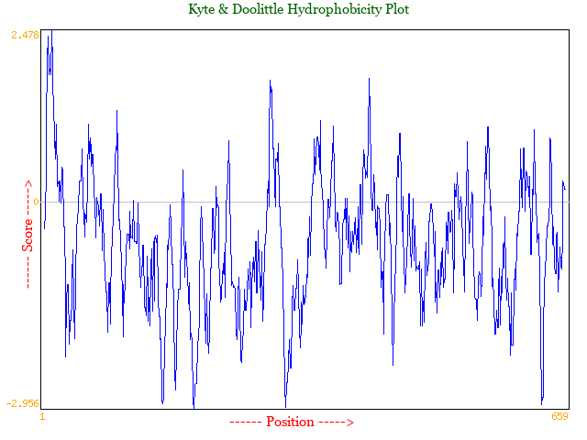
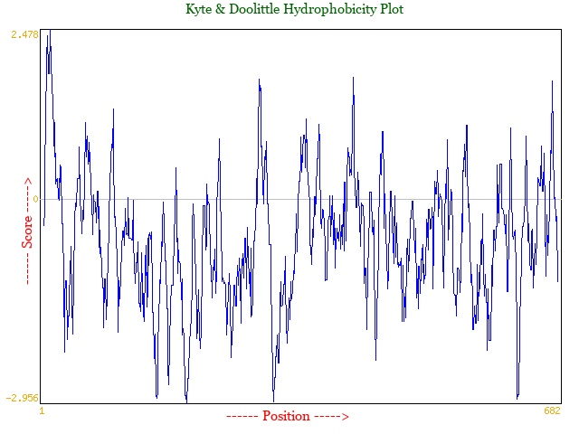
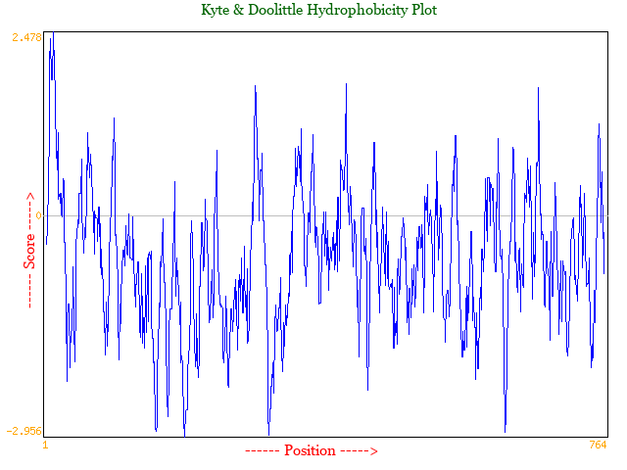
Protein Number | Accession ID | Number of Amino Acids | Theoretical PI | Molecular Weight | Estimated Half Life | Instability Index | Nature | Total number of negatively charged residues | Total number of positively charged residues | Extinction coefficient | Aliphatic Index | Grade Average Hydropathicity | Aromaticity (Y+W+F)
1 | WP_338259392.1 | 659 | 5.84 | 73817.42 | 30hrs | 32.32 | Stable Protein | 81 | 73 | 69790 | 80.49 | -0.604 | 0.074
2 | WP_154166101.1 | 682 | 5.77 | 76435.44 | 30hrs | 33.53 | Stable Protein | 87 | 78 | 71280 | 81.35 | -0.605 | 0.073
3 | PNS63514.1 | 764 | 5.88 | 85811.06 | 30hrs | 31.62 | Stable Protein | 97 | 89 | 80220 | 82.43 | -0.6 | 0.077

 |  |  |  |  | Estimated half-life (Mammalian reticulocyte, in vitro)

Protein 1 | Amino Acid composition | Formula: C3241H5141N901O1050S9 |  |  | Protein 2 | Amino Acid composition | Formula: C3358H5338N930O1088S9 | Protein 3 | Amino Acid composition | Formula: C3780H6001N1039O1218S10
 |  | Total number of atoms: 10342 |  |  |  |  | Total number of atoms: 10723 |  |  | Total number of atoms: 12048

Secondary Structure Prediction
Protein Number | Accession ID | Alpha Helix | Beta Strand | Disordered Region | Domains (Structure based) | InterPro Domains | PHYRE2 % ID / Confidence | Psipred Links
1 | WP_338259392.1 | 5.00% | 41.00% | 12.00% | 4 | 2 (Domains 2 & 4) | 99% (3HVD), 95% (4H2A) / 100% | http://bioinf.cs.ucl.ac.uk//psipred/&uuid=27d96b8c-53c1-11f0-b3d2-00163e100466
2 | WP_154166101.1 | 4.00% | 41.00% | 15.00% | 4 | 2 (Domains 1–3) | 98% (3HVD & 4H2A) / 100% | http://bioinf.cs.ucl.ac.uk//psipred/&uuid=4fada376-53c1-11f0-a515-00163e100466
3 | PNS63514.1 | 4.00% | 41.00% | 15.00% | 4 | 1 (Domains 1–2) | 100% (4H2A) / 100% | http://bioinf.cs.ucl.ac.uk//psipred/&uuid=785209fc-53c1-11f0-a515-00163e100466

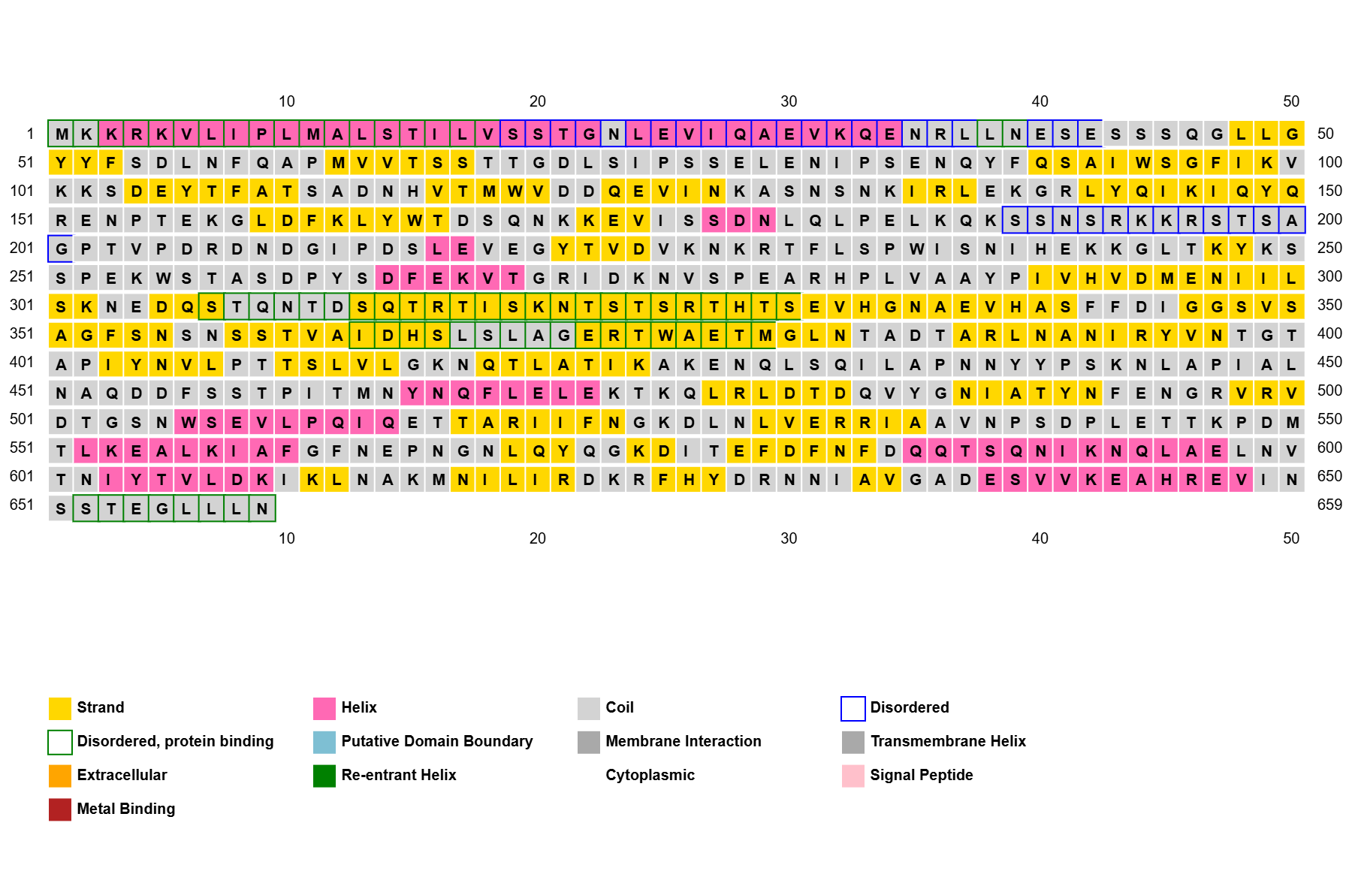
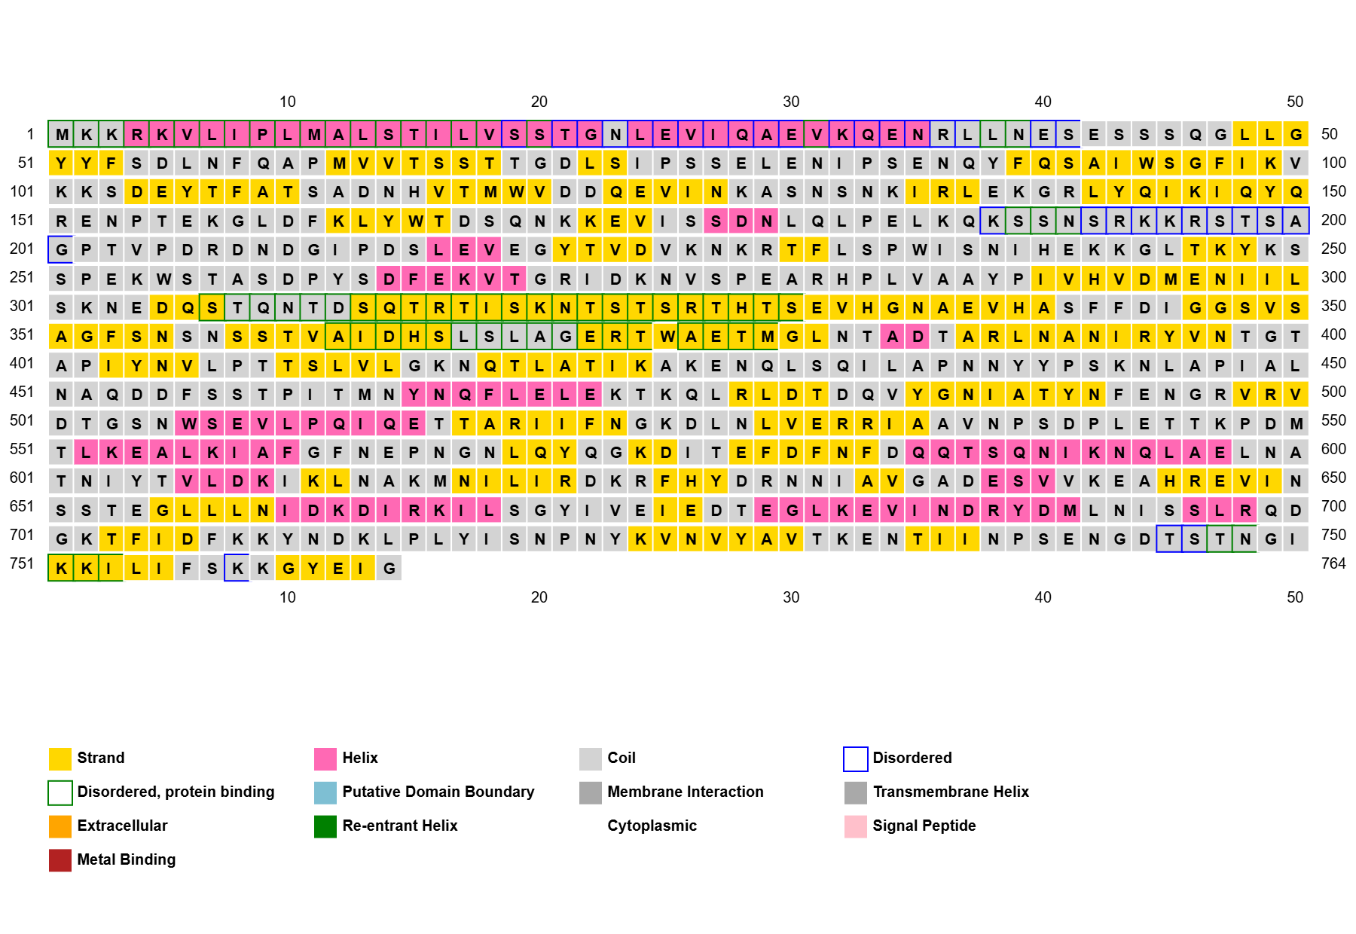

Protein 1 |  |  |  |  |  |  |  |  | Protein 2 | Protein 3

Linear B-Cell Epitopes
Protein Number | Accession ID |  |  |  |  |  | Bepipred 2 result |  |  |  |  |  |  |  |  | IEDB result
1 | WP_338259392.1 |  |  |  |  |  | Entry | Position | Residue | Exposed/Buried | RelativeSurfaceAccessilibity | HelixProbability | SheetProbability | CoilProbability | EpitopeProbability | Residue_IEDB | Score | Assignment | Concordence beteween methods
 |  |  |  |  |  |  | WP_338259392.1 | 1 | M | E | 0.733 | 0.016 | 0.005 | 0.979 | 0.286333333 | M | -0.01 | . | TRUE
 |  |  |  |  |  |  | WP_338259392.1 | 2 | K | E | 0.433 | 0.113 | 0.043 | 0.844 | 0.349222222 | K | -0.379 | . | TRUE
Predicted peptides: |  |  |  |  |  |  | WP_338259392.1 | 3 | K | E | 0.37 | 0.113 | 0.043 | 0.844 | 0.403777778 | K | -0.652 | . | TRUE
No. | Start | End | Peptide | Length |  |  | WP_338259392.1 | 4 | R | E | 0.325 | 0.184 | 0.043 | 0.773 | 0.464222222 | R | -0.896 | . | TRUE
1 | 31 | 32 | VK | 2 |  |  | WP_338259392.1 | 5 | K | E | 0.346 | 0.191 | 0.086 | 0.723 | 0.519777778 | K | -0.887 | . | TRUE
2 | 38 | 46 | LNESESSSQ | 9 |  |  | WP_338259392.1 | 6 | V | B | 0.308 | 0.191 | 0.086 | 0.723 | 0.533111111 | V | -1.004 | . | TRUE
3 | 65 | 88 | TSSTTGDLSIPSSELENIPSENQY | 24 |  |  | WP_338259392.1 | 7 | L | B | 0.225 | 0.191 | 0.086 | 0.723 | 0.552333333 | L | -1.205 | . | TRUE
4 | 102 | 114 | KSDEYTFATSADN | 13 |  |  | WP_338259392.1 | 8 | I | B | 0.238 | 0.191 | 0.086 | 0.723 | 0.545111111 | I | -1.395 | . | TRUE
5 | 124 | 132 | EVINKASNS | 9 |  |  | WP_338259392.1 | 9 | P | B | 0.157 | 0.191 | 0.086 | 0.723 | 0.533777778 | P | -1.71 | . | TRUE
6 | 150 | 158 | QRENPTEKG | 9 |  |  | WP_338259392.1 | 10 | L | B | 0.199 | 0.191 | 0.086 | 0.723 | 0.533222222 | L | -1.661 | . | TRUE
7 | 167 | 175 | DSQNKKEVI | 9 |  |  | WP_338259392.1 | 11 | M | E | 0.343 | 0.113 | 0.087 | 0.8 | 0.535555556 | M | -1.459 | . | TRUE
8 | 180 | 180 | L | 1 |  |  | WP_338259392.1 | 12 | A | E | 0.315 | 0.113 | 0.043 | 0.844 | 0.539111111 | A | -1.501 | . | TRUE
9 | 185 | 218 | LKQKSSNSRKKRSTSAGPTVPDRDNDGIPDSLEV | 34 |  |  | WP_338259392.1 | 13 | L | B | 0.196 | 0.053 | 0.043 | 0.903 | 0.544444444 | L | -1.541 | . | TRUE
10 | 223 | 226 | VDVK | 4 |  |  | WP_338259392.1 | 14 | S | E | 0.403 | 0.053 | 0.043 | 0.903 | 0.551444444 | S | -1.652 | . | TRUE
11 | 244 | 267 | GLTKYKSSPEKWSTASDPYSDFEK | 24 |  |  | WP_338259392.1 | 15 | T | E | 0.338 | 0.113 | 0.043 | 0.844 | 0.573333333 | T | -1.315 | . | TRUE
12 | 270 | 283 | GRIDKNVSPEARHP | 14 |  |  | WP_338259392.1 | 16 | I | B | 0.238 | 0.113 | 0.087 | 0.8 | 0.570222222 | I | -0.992 | . | TRUE
13 | 303 | 337 | NEDQSTQNTDSQTRTISKNTSTSRTHTSEVHGNAE | 35 |  |  | WP_338259392.1 | 17 | L | B | 0.226 | 0.113 | 0.087 | 0.8 | 0.588 | L | -0.656 | . | TRUE
14 | 348 | 361 | SVSAGFSNSNSSTV | 14 |  |  | WP_338259392.1 | 18 | V | B | 0.241 | 0.113 | 0.043 | 0.844 | 0.600111111 | V | -0.244 | . | TRUE
15 | 373 | 376 | RTWA | 4 |  |  | WP_338259392.1 | 19 | S | E | 0.422 | 0.113 | 0.043 | 0.844 | 0.598666667 | S | -0.126 | . | TRUE
16 | 380 | 384 | GLNTA | 5 |  |  | WP_338259392.1 | 20 | S | E | 0.46 | 0.115 | 0.016 | 0.868 | 0.590222222 | S | -0.306 | . | TRUE
17 | 386 | 388 | TAR | 3 |  |  | WP_338259392.1 | 21 | T | E | 0.334 | 0.115 | 0.016 | 0.868 | 0.596555556 | T | 0.02 | . | TRUE
18 | 398 | 402 | TGTAP | 5 |  |  | WP_338259392.1 | 22 | G | B | 0.265 | 0.184 | 0.043 | 0.773 | 0.593444444 | G | 0.146 | . | TRUE
19 | 425 | 425 | A | 1 |  |  | WP_338259392.1 | 23 | N | E | 0.335 | 0.184 | 0.043 | 0.773 | 0.581555556 | N | 0.13 | . | TRUE
20 | 427 | 428 | EN | 2 |  |  | WP_338259392.1 | 24 | L | B | 0.146 | 0.278 | 0.093 | 0.628 | 0.560888889 | L | 0.127 | . | TRUE
21 | 437 | 445 | NNYYPSKNL | 9 |  |  | WP_338259392.1 | 25 | E | B | 0.198 | 0.278 | 0.093 | 0.628 | 0.544888889 | E | -0.072 | . | TRUE
22 | 451 | 451 | N | 1 |  |  | WP_338259392.1 | 26 | V | B | 0.187 | 0.307 | 0.165 | 0.527 | 0.532777778 | V | -0.107 | . | TRUE
23 | 453 | 462 | QDDFSSTPIT | 10 |  |  | WP_338259392.1 | 27 | I | B | 0.137 | 0.278 | 0.093 | 0.628 | 0.519 | I | -0.316 | . | TRUE
24 | 483 | 485 | QVY | 3 |  |  | WP_338259392.1 | 28 | Q | B | 0.167 | 0.354 | 0.048 | 0.598 | 0.521333333 | Q | -0.35 | . | TRUE
25 | 493 | 493 | F | 1 |  |  | WP_338259392.1 | 29 | A | B | 0.197 | 0.455 | 0.046 | 0.498 | 0.532666667 | A | 0.009 | . | TRUE
26 | 498 | 508 | VRVDTGSNWSE | 11 |  |  | WP_338259392.1 | 30 | E | B | 0.145 | 0.455 | 0.046 | 0.498 | 0.524555556 | E | 0.176 | . | TRUE
27 | 511 | 515 | PQIQE | 5 |  |  | WP_338259392.1 | 31 | V | B | 0.15 | 0.561 | 0.047 | 0.393 | 0.524222222 | V | 0.492 | E | TRUE
28 | 536 | 551 | AVNPSDPLETTKPDMT | 16 |  |  | WP_338259392.1 | 32 | K | B | 0.228 | 0.561 | 0.047 | 0.393 | 0.542222222 | K | 0.687 | E | TRUE
29 | 563 | 576 | NEPNGNLQYQGKDI | 14 |  |  | WP_338259392.1 | 33 | Q | B | 0.275 | 0.455 | 0.046 | 0.498 | 0.542666667 | Q | 0.299 | . | TRUE
30 | 584 | 591 | DQQTSQNI | 8 |  |  | WP_338259392.1 | 34 | E | B | 0.153 | 0.354 | 0.048 | 0.598 | 0.547444444 | E | 0.027 | . | TRUE
31 | 632 | 642 | IAVGADESVVK | 11 |  |  | WP_338259392.1 | 35 | N | E | 0.306 | 0.278 | 0.093 | 0.628 | 0.553 | N | -0.068 | . | TRUE
32 | 649 | 651 | INS | 3 |  |  | WP_338259392.1 | 36 | R | B | 0.193 | 0.199 | 0.152 | 0.649 | 0.571222222 | R | 0.175 | . | TRUE
 |  |  |  |  |  |  | WP_338259392.1 | 37 | L | B | 0.173 | 0.199 | 0.152 | 0.649 | 0.578777778 | L | 0.26 | . | TRUE
 |  |  |  |  |  |  | WP_338259392.1 | 38 | L | B | 0.165 | 0.199 | 0.152 | 0.649 | 0.586222222 | L | 0.376 | E | TRUE
 |  |  |  |  |  |  | WP_338259392.1 | 39 | N | E | 0.39 | 0.191 | 0.086 | 0.723 | 0.608111111 | N | 0.394 | E | TRUE
 |  |  |  |  |  |  | WP_338259392.1 | 40 | E | B | 0.234 | 0.113 | 0.043 | 0.844 | 0.623888889 | E | 0.494 | E | TRUE
 |  |  |  |  |  |  | WP_338259392.1 | 41 | S | E | 0.457 | 0.053 | 0.043 | 0.903 | 0.620222222 | S | 0.74 | E | TRUE
 |  |  |  |  |  |  | WP_338259392.1 | 42 | E | B | 0.265 | 0.018 | 0.019 | 0.964 | 0.63 | E | 1.193 | E | TRUE
 |  |  |  |  |  |  | WP_338259392.1 | 43 | S | E | 0.441 | 0.018 | 0.019 | 0.964 | 0.627222222 | S | 1.552 | E | TRUE
 |  |  |  |  |  |  | WP_338259392.1 | 44 | S | E | 0.45 | 0.018 | 0.019 | 0.964 | 0.606888889 | S | 1.245 | E | TRUE
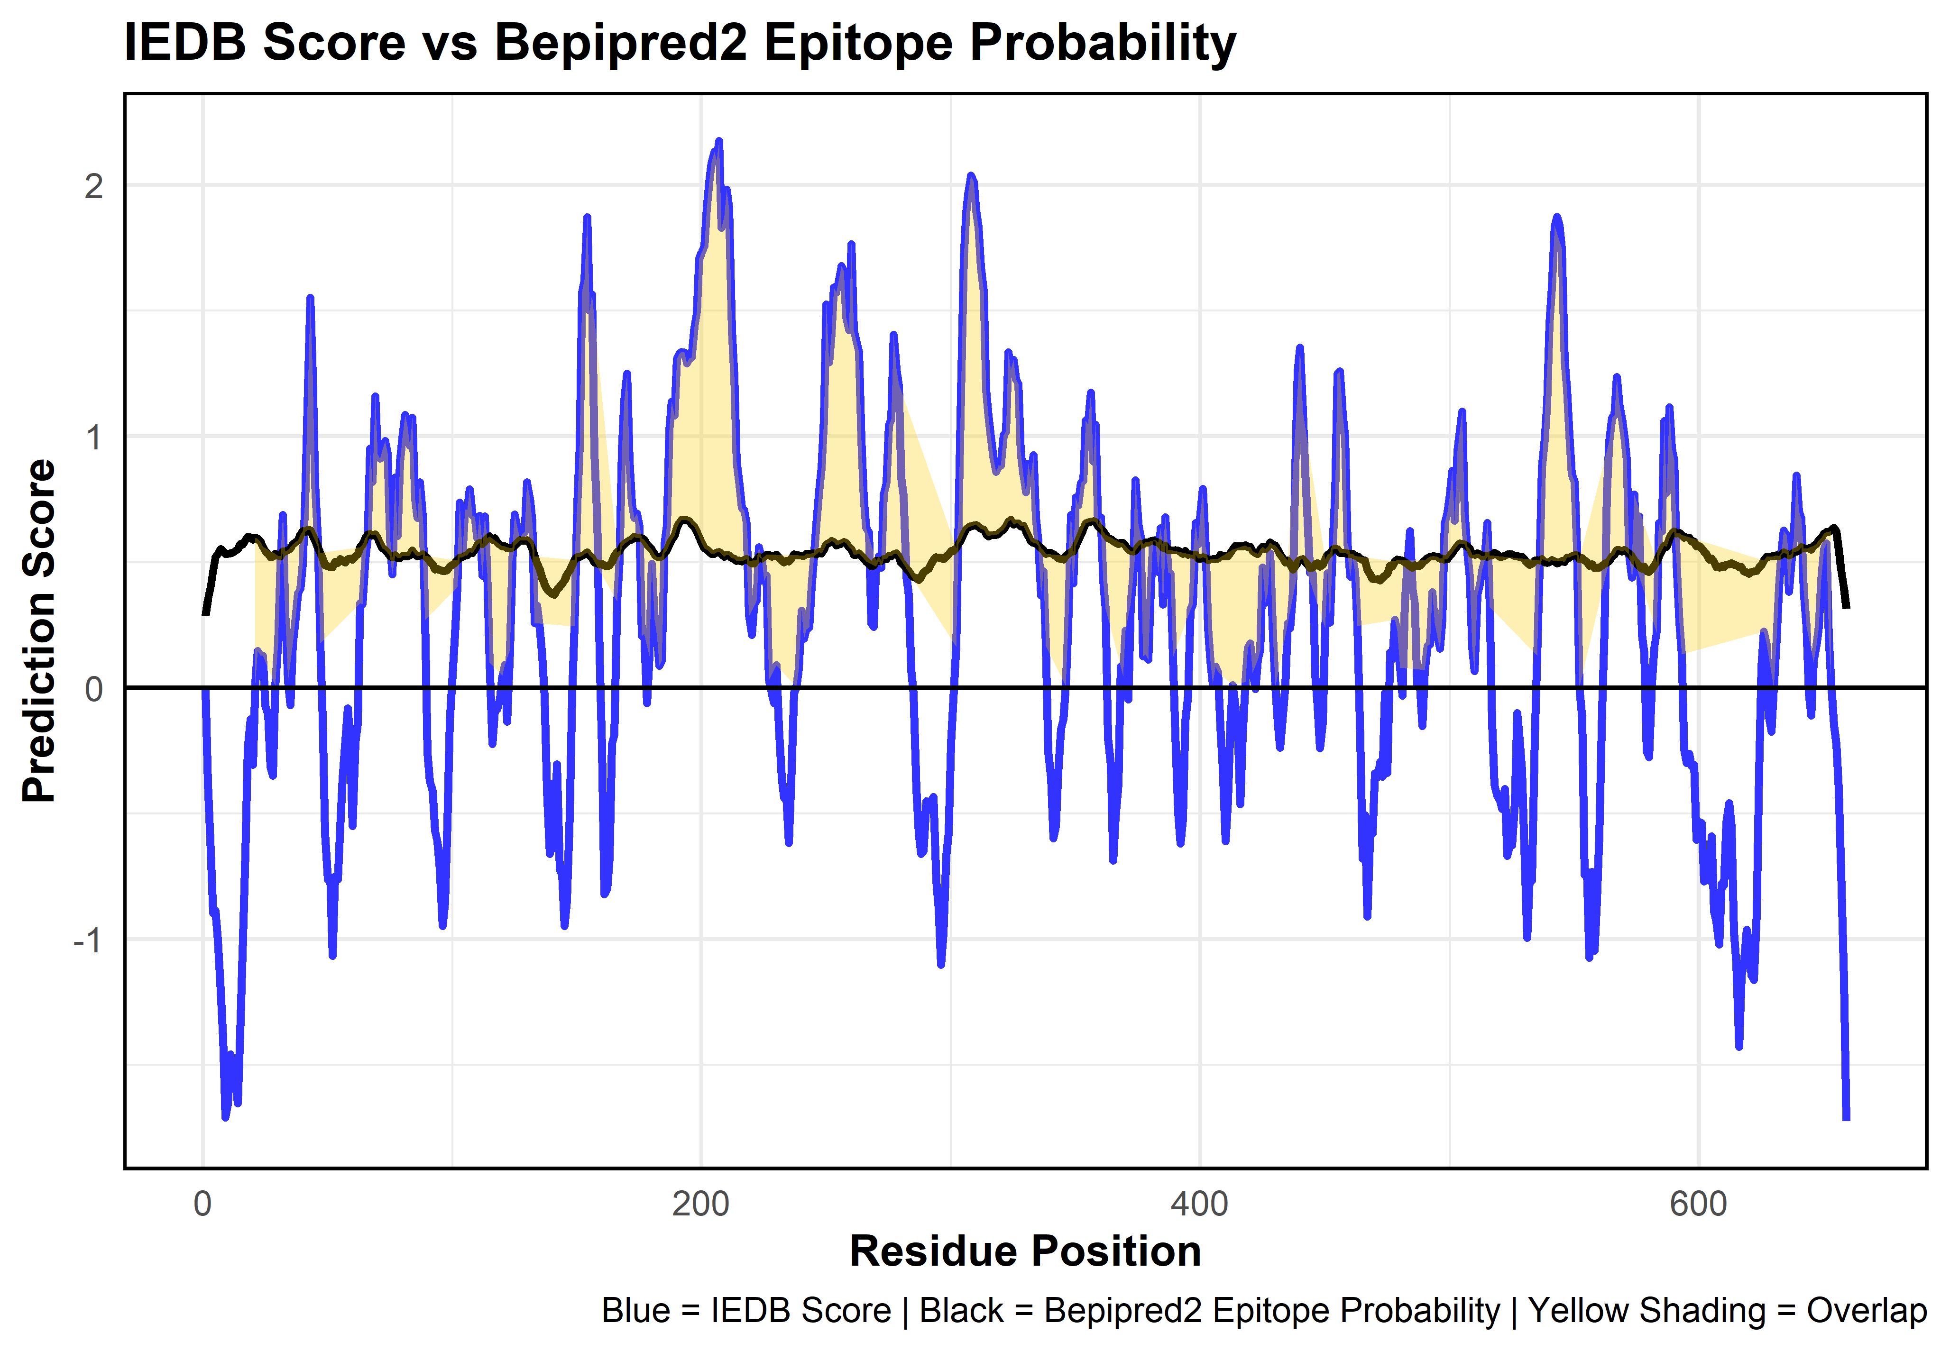
 |  |  |  |  |  |  | WP_338259392.1 | 45 | S | E | 0.412 | 0.018 | 0.019 | 0.964 | 0.587444444 | S | 0.811 | E | TRUE
 |  |  |  |  |  |  | WP_338259392.1 | 46 | Q | B | 0.183 | 0.018 | 0.047 | 0.935 | 0.559888889 | Q | 0.583 | E | TRUE
 |  |  |  |  |  |  | WP_338259392.1 | 47 | G | B | 0.135 | 0.019 | 0.141 | 0.84 | 0.537222222 | G | 0.176 | . | TRUE
 |  |  |  |  |  |  | WP_338259392.1 | 48 | L | B | 0.112 | 0.022 | 0.359 | 0.619 | 0.513222222 | L | -0.123 | . | TRUE
 |  |  |  |  |  |  | WP_338259392.1 | 49 | L | B | 0.116 | 0.022 | 0.359 | 0.619 | 0.487666667 | L | -0.58 | . | TRUE
 |  |  |  |  |  |  | WP_338259392.1 | 50 | G | B | 0.115 | 0.066 | 0.296 | 0.638 | 0.483555556 | G | -0.763 | . | TRUE
 |  |  |  |  |  |  | WP_338259392.1 | 51 | Y | B | 0.194 | 0.064 | 0.216 | 0.721 | 0.480666667 | Y | -0.753 | . | TRUE
 |  |  |  |  |  |  | WP_338259392.1 | 52 | Y | B | 0.206 | 0.056 | 0.142 | 0.802 | 0.479222222 | Y | -1.067 | . | TRUE
 |  |  |  |  |  |  | WP_338259392.1 | 53 | F | B | 0.116 | 0.056 | 0.142 | 0.802 | 0.501444444 | F | -0.752 | . | TRUE
 |  |  |  |  |  |  | WP_338259392.1 | 54 | S | E | 0.327 | 0.118 | 0.15 | 0.732 | 0.497 | S | -0.763 | . | TRUE
 |  |  |  |  |  |  | WP_338259392.1 | 55 | D | B | 0.203 | 0.113 | 0.087 | 0.8 | 0.511555556 | D | -0.553 | . | TRUE
 |  |  |  |  |  |  | WP_338259392.1 | 56 | L | B | 0.133 | 0.113 | 0.087 | 0.8 | 0.504444444 | L | -0.361 | . | TRUE
 |  |  |  |  |  |  | WP_338259392.1 | 57 | N | E | 0.279 | 0.113 | 0.087 | 0.8 | 0.499333333 | N | -0.209 | . | TRUE
 |  |  |  |  |  |  | WP_338259392.1 | 58 | F | B | 0.182 | 0.056 | 0.142 | 0.802 | 0.512222222 | F | -0.082 | . | TRUE
 |  |  |  |  |  |  | WP_338259392.1 | 59 | Q | B | 0.183 | 0.056 | 0.142 | 0.802 | 0.513777778 | Q | -0.216 | . | TRUE
 |  |  |  |  |  |  | WP_338259392.1 | 60 | A | B | 0.185 | 0.018 | 0.088 | 0.893 | 0.510111111 | A | -0.549 | . | TRUE
 |  |  |  |  |  |  | WP_338259392.1 | 61 | P | B | 0.094 | 0.02 | 0.205 | 0.775 | 0.524333333 | P | -0.218 | . | TRUE
 |  |  |  |  |  |  | WP_338259392.1 | 62 | M | E | 0.282 | 0.021 | 0.279 | 0.699 | 0.530333333 | M | -0.14 | . | TRUE
 |  |  |  |  |  |  | WP_338259392.1 | 63 | V | B | 0.209 | 0.021 | 0.279 | 0.699 | 0.560111111 | V | 0.337 | . | TRUE
 |  |  |  |  |  |  | WP_338259392.1 | 64 | V | B | 0.215 | 0.019 | 0.141 | 0.84 | 0.569555556 | V | 0.333 | . | TRUE
 |  |  |  |  |  |  | WP_338259392.1 | 65 | T | B | 0.306 | 0.018 | 0.047 | 0.935 | 0.595777778 | T | 0.515 | E | TRUE
 |  |  |  |  |  |  | WP_338259392.1 | 66 | S | E | 0.435 | 0.018 | 0.019 | 0.964 | 0.610666667 | S | 0.597 | E | TRUE
 |  |  |  |  |  |  | WP_338259392.1 | 67 | S | E | 0.474 | 0.018 | 0.019 | 0.964 | 0.611888889 | S | 0.952 | E | TRUE
 |  |  |  |  |  |  | WP_338259392.1 | 68 | T | E | 0.354 | 0.018 | 0.019 | 0.964 | 0.606666667 | T | 0.819 | E | TRUE
 |  |  |  |  |  |  | WP_338259392.1 | 69 | T | E | 0.366 | 0.053 | 0.043 | 0.903 | 0.610444444 | T | 1.159 | E | TRUE
 |  |  |  |  |  |  | WP_338259392.1 | 70 | G | B | 0.274 | 0.053 | 0.043 | 0.903 | 0.594444444 | G | 0.931 | E | TRUE
 |  |  |  |  |  |  | WP_338259392.1 | 71 | D | B | 0.238 | 0.113 | 0.043 | 0.844 | 0.574888889 | D | 0.912 | E | TRUE
 |  |  |  |  |  |  | WP_338259392.1 | 72 | L | B | 0.145 | 0.113 | 0.087 | 0.8 | 0.556333333 | L | 0.945 | E | TRUE
 |  |  |  |  |  |  | WP_338259392.1 | 73 | S | E | 0.409 | 0.113 | 0.087 | 0.8 | 0.547555556 | S | 0.981 | E | TRUE
 |  |  |  |  |  |  | WP_338259392.1 | 74 | I | B | 0.214 | 0.053 | 0.043 | 0.903 | 0.537555556 | I | 0.934 | E | TRUE
 |  |  |  |  |  |  | WP_338259392.1 | 75 | P | B | 0.109 | 0.053 | 0.043 | 0.903 | 0.524444444 | P | 0.594 | E | TRUE
 |  |  |  |  |  |  | WP_338259392.1 | 76 | S | E | 0.375 | 0.058 | 0.017 | 0.925 | 0.519 | S | 0.452 | E | TRUE
 |  |  |  |  |  |  | WP_338259392.1 | 77 | S | E | 0.436 | 0.113 | 0.043 | 0.844 | 0.527 | S | 0.836 | E | TRUE
 |  |  |  |  |  |  | WP_338259392.1 | 78 | E | B | 0.198 | 0.113 | 0.043 | 0.844 | 0.516777778 | E | 0.604 | E | TRUE
Epitope Rank | Start | End | Length | Sequence | Average Score | Mapped Domain to Template | WP_338259392.1 | 79 | L | B | 0.114 | 0.113 | 0.087 | 0.8 | 0.515222222 | L | 0.897 | E | TRUE
1 | 540 | 542 | 3 | SDP | 1.065 | Domain 3 | WP_338259392.1 | 80 | E | B | 0.166 | 0.113 | 0.087 | 0.8 | 0.523222222 | E | 0.993 | E | TRUE
2 | 149 | 156 | 8 | YQRENPTE | 0.891 | Domain 1 | WP_338259392.1 | 81 | N | E | 0.282 | 0.113 | 0.087 | 0.8 | 0.524 | N | 1.086 | E | TRUE
3 | 179 | 219 | 41 | NLQLPELKQKSSNSRKKRSTSAGPTVPDRDNDGIPDSLEVE | 0.889 | Domain 1 | WP_338259392.1 | 82 | I | B | 0.136 | 0.118 | 0.15 | 0.732 | 0.523333333 | I | 1.04 | E | TRUE
4 | 440 | 441 | 2 | YP | 0.868 | Domain 2 | WP_338259392.1 | 83 | P | B | 0.067 | 0.113 | 0.087 | 0.8 | 0.527444444 | P | 0.963 | E | TRUE
5 | 302 | 338 | 37 | KNEDQSTQNTDSQTRTISKNTSTSRTHTSEVHGNAEV | 0.865 | Domain 2 | WP_338259392.1 | 84 | S | E | 0.352 | 0.052 | 0.084 | 0.864 | 0.546 | S | 1.075 | E | TRUE
 |  |  |  |  |  |  | WP_338259392.1 | 85 | E | B | 0.189 | 0.053 | 0.043 | 0.903 | 0.531444444 | E | 0.75 | E | TRUE
 |  |  |  |  |  |  | WP_338259392.1 | 86 | N | E | 0.295 | 0.018 | 0.088 | 0.893 | 0.523222222 | N | 0.677 | E | TRUE
 |  |  |  |  |  |  | WP_338259392.1 | 87 | Q | B | 0.251 | 0.018 | 0.088 | 0.893 | 0.525444444 | Q | 0.818 | E | TRUE
 |  |  |  |  |  |  | WP_338259392.1 | 88 | Y | B | 0.246 | 0.019 | 0.141 | 0.84 | 0.531777778 | Y | 0.684 | E | TRUE
 |  |  |  |  |  |  | WP_338259392.1 | 89 | F | B | 0.106 | 0.018 | 0.088 | 0.893 | 0.525222222 | F | 0.268 | . | TRUE
 |  |  |  |  |  |  | WP_338259392.1 | 90 | Q | B | 0.17 | 0.018 | 0.088 | 0.893 | 0.515555556 | Q | -0.259 | . | TRUE
 |  |  |  |  |  |  | WP_338259392.1 | 91 | S | E | 0.289 | 0.018 | 0.088 | 0.893 | 0.503666667 | S | -0.372 | . | TRUE
 |  |  |  |  |  |  | WP_338259392.1 | 92 | A | B | 0.204 | 0.018 | 0.088 | 0.893 | 0.491111111 | A | -0.409 | . | TRUE
 |  |  |  |  |  |  | WP_338259392.1 | 93 | I | B | 0.141 | 0.053 | 0.043 | 0.903 | 0.470666667 | I | -0.57 | . | TRUE
 |  |  |  |  |  |  | WP_338259392.1 | 94 | W | B | 0.115 | 0.058 | 0.017 | 0.925 | 0.473333333 | W | -0.611 | . | TRUE
 |  |  |  |  |  |  | WP_338259392.1 | 95 | S | E | 0.285 | 0.339 | 0.016 | 0.645 | 0.469222222 | S | -0.721 | . | TRUE
 |  |  |  |  |  |  | WP_338259392.1 | 96 | G | B | 0.164 | 0.43 | 0.016 | 0.555 | 0.464222222 | G | -0.947 | . | TRUE
 |  |  |  |  |  |  | WP_338259392.1 | 97 | F | B | 0.089 | 0.455 | 0.046 | 0.498 | 0.464222222 | F | -0.851 | . | TRUE
 |  |  |  |  |  |  | WP_338259392.1 | 98 | I | B | 0.097 | 0.455 | 0.046 | 0.498 | 0.468111111 | I | -0.538 | . | TRUE
 |  |  |  |  |  |  | WP_338259392.1 | 99 | K | B | 0.17 | 0.455 | 0.046 | 0.498 | 0.482 | K | -0.134 | . | TRUE
 |  |  |  |  |  |  | WP_338259392.1 | 100 | V | B | 0.157 | 0.455 | 0.046 | 0.498 | 0.490333333 | V | 0.052 | . | TRUE
 |  |  |  |  |  |  | WP_338259392.1 | 101 | K | B | 0.152 | 0.43 | 0.016 | 0.555 | 0.496555556 | K | 0.212 | . | TRUE
 |  |  |  |  |  |  | WP_338259392.1 | 102 | K | B | 0.188 | 0.268 | 0.043 | 0.689 | 0.505666667 | K | 0.4 | E | TRUE
 |  |  |  |  |  |  | WP_338259392.1 | 103 | S | E | 0.35 | 0.113 | 0.043 | 0.844 | 0.517333333 | S | 0.736 | E | TRUE
 |  |  |  |  |  |  | WP_338259392.1 | 104 | D | B | 0.184 | 0.053 | 0.043 | 0.903 | 0.519777778 | D | 0.533 | E | TRUE
 |  |  |  |  |  |  | WP_338259392.1 | 105 | E | B | 0.163 | 0.018 | 0.047 | 0.935 | 0.526333333 | E | 0.708 | E | TRUE
 |  |  |  |  |  |  | WP_338259392.1 | 106 | Y | B | 0.17 | 0.018 | 0.088 | 0.893 | 0.527222222 | Y | 0.709 | E | TRUE
 |  |  |  |  |  |  | WP_338259392.1 | 107 | T | B | 0.201 | 0.019 | 0.141 | 0.84 | 0.540444444 | T | 0.79 | E | TRUE
 |  |  |  |  |  |  | WP_338259392.1 | 108 | F | B | 0.148 | 0.018 | 0.088 | 0.893 | 0.536333333 | F | 0.685 | E | TRUE
 |  |  |  |  |  |  | WP_338259392.1 | 109 | A | B | 0.17 | 0.018 | 0.088 | 0.893 | 0.55 | A | 0.68 | E | TRUE
 |  |  |  |  |  |  | WP_338259392.1 | 110 | T | B | 0.244 | 0.052 | 0.084 | 0.864 | 0.566333333 | T | 0.595 | E | TRUE
 |  |  |  |  |  |  | WP_338259392.1 | 111 | S | E | 0.413 | 0.053 | 0.043 | 0.903 | 0.576333333 | S | 0.684 | E | TRUE
 |  |  |  |  |  |  | WP_338259392.1 | 112 | A | B | 0.288 | 0.018 | 0.019 | 0.964 | 0.572555556 | A | 0.446 | E | TRUE
 |  |  |  |  |  |  | WP_338259392.1 | 113 | D | B | 0.224 | 0.018 | 0.047 | 0.935 | 0.583888889 | D | 0.681 | E | TRUE
 |  |  |  |  |  |  | WP_338259392.1 | 114 | N | E | 0.395 | 0.018 | 0.047 | 0.935 | 0.595222222 | N | 0.456 | E | TRUE
 |  |  |  |  |  |  | WP_338259392.1 | 115 | H | E | 0.453 | 0.018 | 0.088 | 0.893 | 0.601777778 | H | 0.101 | . | TRUE
 |  |  |  |  |  |  | WP_338259392.1 | 116 | V | B | 0.164 | 0.02 | 0.205 | 0.775 | 0.590444444 | V | -0.224 | . | TRUE
 |  |  |  |  |  |  | WP_338259392.1 | 117 | T | B | 0.282 | 0.021 | 0.279 | 0.699 | 0.594333333 | T | -0.091 | . | TRUE
 |  |  |  |  |  |  | WP_338259392.1 | 118 | M | E | 0.301 | 0.021 | 0.279 | 0.699 | 0.581 | M | -0.085 | . | TRUE
 |  |  |  |  |  |  | WP_338259392.1 | 119 | W | B | 0.223 | 0.066 | 0.296 | 0.638 | 0.568888889 | W | -0.043 | . | TRUE
 |  |  |  |  |  |  | WP_338259392.1 | 120 | V | B | 0.17 | 0.066 | 0.296 | 0.638 | 0.562333333 | V | 0.048 | . | TRUE
 |  |  |  |  |  |  | WP_338259392.1 | 121 | D | B | 0.233 | 0.056 | 0.142 | 0.802 | 0.562444444 | D | 0.092 | . | TRUE
 |  |  |  |  |  |  | WP_338259392.1 | 122 | D | B | 0.159 | 0.052 | 0.084 | 0.864 | 0.555888889 | D | -0.134 | . | TRUE
 |  |  |  |  |  |  | WP_338259392.1 | 123 | Q | B | 0.214 | 0.056 | 0.142 | 0.802 | 0.556444444 | Q | 0.151 | . | TRUE
 |  |  |  |  |  |  | WP_338259392.1 | 124 | E | B | 0.169 | 0.064 | 0.216 | 0.721 | 0.557 | E | 0.504 | E | TRUE
 |  |  |  |  |  |  | WP_338259392.1 | 125 | V | B | 0.143 | 0.064 | 0.216 | 0.721 | 0.565666667 | V | 0.69 | E | TRUE
 |  |  |  |  |  |  | WP_338259392.1 | 126 | I | B | 0.13 | 0.064 | 0.216 | 0.721 | 0.574777778 | I | 0.645 | E | TRUE
 |  |  |  |  |  |  | WP_338259392.1 | 127 | N | E | 0.305 | 0.118 | 0.15 | 0.732 | 0.586777778 | N | 0.594 | E | TRUE
 |  |  |  |  |  |  | WP_338259392.1 | 128 | K | B | 0.221 | 0.113 | 0.087 | 0.8 | 0.585888889 | K | 0.612 | E | TRUE
 |  |  |  |  |  |  | WP_338259392.1 | 129 | A | B | 0.195 | 0.113 | 0.043 | 0.844 | 0.586 | A | 0.619 | E | TRUE
 |  |  |  |  |  |  | WP_338259392.1 | 130 | S | E | 0.397 | 0.113 | 0.043 | 0.844 | 0.587444444 | S | 0.818 | E | TRUE
 |  |  |  |  |  |  | WP_338259392.1 | 131 | N | E | 0.393 | 0.184 | 0.043 | 0.773 | 0.576 | N | 0.756 | E | TRUE
 |  |  |  |  |  |  | WP_338259392.1 | 132 | S | E | 0.331 | 0.268 | 0.043 | 0.689 | 0.551555556 | S | 0.659 | E | TRUE
 |  |  |  |  |  |  | WP_338259392.1 | 133 | N | E | 0.294 | 0.354 | 0.048 | 0.598 | 0.523666667 | N | 0.258 | . | TRUE
 |  |  |  |  |  |  | WP_338259392.1 | 134 | K | B | 0.122 | 0.455 | 0.046 | 0.498 | 0.495666667 | K | 0.327 | . | TRUE
 |  |  |  |  |  |  | WP_338259392.1 | 135 | I | B | 0.12 | 0.455 | 0.046 | 0.498 | 0.469888889 | I | 0.234 | . | TRUE
 |  |  |  |  |  |  | WP_338259392.1 | 136 | R | B | 0.076 | 0.605 | 0.105 | 0.29 | 0.437111111 | R | 0.126 | . | TRUE
 |  |  |  |  |  |  | WP_338259392.1 | 137 | L | B | 0.099 | 0.561 | 0.047 | 0.393 | 0.413 | L | -0.034 | . | TRUE
 |  |  |  |  |  |  | WP_338259392.1 | 138 | E | B | 0.085 | 0.66 | 0.049 | 0.291 | 0.392777778 | E | -0.408 | . | TRUE
 |  |  |  |  |  |  | WP_338259392.1 | 139 | K | B | 0.093 | 0.66 | 0.049 | 0.291 | 0.382333333 | K | -0.661 | . | TRUE
 |  |  |  |  |  |  | WP_338259392.1 | 140 | G | B | 0.096 | 0.66 | 0.049 | 0.291 | 0.375444444 | G | -0.382 | . | TRUE
 |  |  |  |  |  |  | WP_338259392.1 | 141 | R | B | 0.075 | 0.561 | 0.047 | 0.393 | 0.370777778 | R | -0.638 | . | TRUE
 |  |  |  |  |  |  | WP_338259392.1 | 142 | L | B | 0.099 | 0.561 | 0.047 | 0.393 | 0.388888889 | L | -0.304 | . | TRUE
 |  |  |  |  |  |  | WP_338259392.1 | 143 | Y | B | 0.113 | 0.561 | 0.047 | 0.393 | 0.403555556 | Y | -0.722 | . | TRUE
 |  |  |  |  |  |  | WP_338259392.1 | 144 | Q | B | 0.101 | 0.455 | 0.046 | 0.498 | 0.413555556 | Q | -0.743 | . | TRUE
 |  |  |  |  |  |  | WP_338259392.1 | 145 | I | B | 0.098 | 0.455 | 0.046 | 0.498 | 0.427222222 | I | -0.947 | . | TRUE
 |  |  |  |  |  |  | WP_338259392.1 | 146 | K | B | 0.125 | 0.502 | 0.102 | 0.396 | 0.450444444 | K | -0.846 | . | TRUE
 |  |  |  |  |  |  | WP_338259392.1 | 147 | I | B | 0.122 | 0.386 | 0.097 | 0.517 | 0.466 | I | -0.507 | . | TRUE
 |  |  |  |  |  |  | WP_338259392.1 | 148 | Q | B | 0.171 | 0.354 | 0.048 | 0.598 | 0.487222222 | Q | -0.032 | . | TRUE
 |  |  |  |  |  |  | WP_338259392.1 | 149 | Y | B | 0.177 | 0.354 | 0.048 | 0.598 | 0.508888889 | Y | 0.245 | . | TRUE
 |  |  |  |  |  |  | WP_338259392.1 | 150 | Q | B | 0.155 | 0.354 | 0.048 | 0.598 | 0.519777778 | Q | 0.733 | E | TRUE
 |  |  |  |  |  |  | WP_338259392.1 | 151 | R | B | 0.119 | 0.268 | 0.043 | 0.689 | 0.519555556 | R | 0.961 | E | TRUE
 |  |  |  |  |  |  | WP_338259392.1 | 152 | E | B | 0.161 | 0.184 | 0.043 | 0.773 | 0.526222222 | E | 1.576 | E | TRUE
 |  |  |  |  |  |  | WP_338259392.1 | 153 | N | E | 0.278 | 0.191 | 0.086 | 0.723 | 0.531 | N | 1.622 | E | TRUE
 |  |  |  |  |  |  | WP_338259392.1 | 154 | P | B | 0.06 | 0.113 | 0.087 | 0.8 | 0.539222222 | P | 1.872 | E | TRUE
 |  |  |  |  |  |  | WP_338259392.1 | 155 | T | B | 0.212 | 0.113 | 0.043 | 0.844 | 0.525555556 | T | 1.501 | E | TRUE
 |  |  |  |  |  |  | WP_338259392.1 | 156 | E | B | 0.141 | 0.113 | 0.043 | 0.844 | 0.518111111 | E | 1.564 | E | TRUE
 |  |  |  |  |  |  | WP_338259392.1 | 157 | K | B | 0.172 | 0.113 | 0.087 | 0.8 | 0.499777778 | K | 0.933 | E | TRUE
 |  |  |  |  |  |  | WP_338259392.1 | 158 | G | B | 0.115 | 0.118 | 0.15 | 0.732 | 0.495 | G | 0.669 | E | TRUE
 |  |  |  |  |  |  | WP_338259392.1 | 159 | L | B | 0.112 | 0.125 | 0.227 | 0.648 | 0.491666667 | L | 0.13 | . | TRUE
 |  |  |  |  |  |  | WP_338259392.1 | 160 | D | B | 0.112 | 0.064 | 0.216 | 0.721 | 0.493222222 | D | -0.241 | . | TRUE
 |  |  |  |  |  |  | WP_338259392.1 | 161 | F | B | 0.093 | 0.064 | 0.216 | 0.721 | 0.486555556 | F | -0.821 | . | TRUE
 |  |  |  |  |  |  | WP_338259392.1 | 162 | K | B | 0.153 | 0.064 | 0.216 | 0.721 | 0.483333333 | K | -0.801 | . | TRUE
 |  |  |  |  |  |  | WP_338259392.1 | 163 | L | B | 0.126 | 0.064 | 0.216 | 0.721 | 0.488333333 | L | -0.675 | . | TRUE
 |  |  |  |  |  |  | WP_338259392.1 | 164 | Y | B | 0.183 | 0.064 | 0.216 | 0.721 | 0.501222222 | Y | -0.224 | . | TRUE
 |  |  |  |  |  |  | WP_338259392.1 | 165 | W | B | 0.136 | 0.052 | 0.084 | 0.864 | 0.524444444 | W | -0.187 | . | TRUE
 |  |  |  |  |  |  | WP_338259392.1 | 166 | T | B | 0.276 | 0.184 | 0.043 | 0.773 | 0.540111111 | T | 0.344 | . | TRUE
 |  |  |  |  |  |  | WP_338259392.1 | 167 | D | B | 0.234 | 0.268 | 0.043 | 0.689 | 0.544222222 | D | 0.504 | E | TRUE
 |  |  |  |  |  |  | WP_338259392.1 | 168 | S | E | 0.366 | 0.339 | 0.016 | 0.645 | 0.561555556 | S | 0.944 | E | TRUE
 |  |  |  |  |  |  | WP_338259392.1 | 169 | Q | B | 0.279 | 0.268 | 0.043 | 0.689 | 0.572777778 | Q | 1.142 | E | TRUE
 |  |  |  |  |  |  | WP_338259392.1 | 170 | N | E | 0.363 | 0.184 | 0.043 | 0.773 | 0.579666667 | N | 1.25 | E | TRUE
 |  |  |  |  |  |  | WP_338259392.1 | 171 | K | B | 0.2 | 0.184 | 0.043 | 0.773 | 0.587 | K | 0.903 | E | TRUE
 |  |  |  |  |  |  | WP_338259392.1 | 172 | K | B | 0.214 | 0.113 | 0.043 | 0.844 | 0.588777778 | K | 0.735 | E | TRUE
 |  |  |  |  |  |  | WP_338259392.1 | 173 | E | B | 0.244 | 0.113 | 0.087 | 0.8 | 0.600666667 | E | 0.677 | E | TRUE
 |  |  |  |  |  |  | WP_338259392.1 | 174 | V | B | 0.231 | 0.056 | 0.142 | 0.802 | 0.595222222 | V | 0.694 | E | TRUE
 |  |  |  |  |  |  | WP_338259392.1 | 175 | I | B | 0.163 | 0.052 | 0.084 | 0.864 | 0.597 | I | 0.647 | E | TRUE
 |  |  |  |  |  |  | WP_338259392.1 | 176 | S | E | 0.381 | 0.053 | 0.043 | 0.903 | 0.594333333 | S | 0.207 | . | TRUE
 |  |  |  |  |  |  | WP_338259392.1 | 177 | S | E | 0.439 | 0.053 | 0.043 | 0.903 | 0.589 | S | 0.215 | . | TRUE
 |  |  |  |  |  |  | WP_338259392.1 | 178 | D | B | 0.231 | 0.113 | 0.043 | 0.844 | 0.571444444 | D | -0.062 | . | TRUE
 |  |  |  |  |  |  | WP_338259392.1 | 179 | N | B | 0.256 | 0.184 | 0.043 | 0.773 | 0.560666667 | N | 0.125 | . | TRUE
 |  |  |  |  |  |  | WP_338259392.1 | 180 | L | B | 0.151 | 0.191 | 0.086 | 0.723 | 0.549666667 | L | 0.493 | E | TRUE
 |  |  |  |  |  |  | WP_338259392.1 | 181 | Q | B | 0.169 | 0.278 | 0.093 | 0.628 | 0.531777778 | Q | 0.271 | . | TRUE
 |  |  |  |  |  |  | WP_338259392.1 | 182 | L | B | 0.114 | 0.278 | 0.093 | 0.628 | 0.521444444 | L | 0.207 | . | TRUE
 |  |  |  |  |  |  | WP_338259392.1 | 183 | P | B | 0.092 | 0.278 | 0.093 | 0.628 | 0.519555556 | P | 0.087 | . | TRUE
 |  |  |  |  |  |  | WP_338259392.1 | 184 | E | B | 0.173 | 0.278 | 0.093 | 0.628 | 0.523888889 | E | 0.107 | . | TRUE
 |  |  |  |  |  |  | WP_338259392.1 | 185 | L | B | 0.136 | 0.278 | 0.093 | 0.628 | 0.536777778 | L | 0.57 | E | TRUE
 |  |  |  |  |  |  | WP_338259392.1 | 186 | K | B | 0.197 | 0.268 | 0.043 | 0.689 | 0.548888889 | K | 0.648 | E | TRUE
 |  |  |  |  |  |  | WP_338259392.1 | 187 | Q | B | 0.258 | 0.184 | 0.043 | 0.773 | 0.569666667 | Q | 1.026 | E | TRUE
 |  |  |  |  |  |  | WP_338259392.1 | 188 | K | B | 0.214 | 0.184 | 0.043 | 0.773 | 0.586777778 | K | 1.138 | E | TRUE
 |  |  |  |  |  |  | WP_338259392.1 | 189 | S | E | 0.362 | 0.181 | 0.016 | 0.803 | 0.604222222 | S | 1.083 | E | TRUE
 |  |  |  |  |  |  | WP_338259392.1 | 190 | S | E | 0.45 | 0.257 | 0.016 | 0.727 | 0.637333333 | S | 1.308 | E | TRUE
 |  |  |  |  |  |  | WP_338259392.1 | 191 | N | E | 0.383 | 0.354 | 0.048 | 0.598 | 0.655666667 | N | 1.327 | E | TRUE
 |  |  |  |  |  |  | WP_338259392.1 | 192 | S | E | 0.406 | 0.339 | 0.016 | 0.645 | 0.668444444 | S | 1.337 | E | TRUE
 |  |  |  |  |  |  | WP_338259392.1 | 193 | R | B | 0.243 | 0.354 | 0.048 | 0.598 | 0.667555556 | R | 1.335 | E | TRUE
 |  |  |  |  |  |  | WP_338259392.1 | 194 | K | B | 0.261 | 0.354 | 0.048 | 0.598 | 0.667111111 | K | 1.291 | E | TRUE
 |  |  |  |  |  |  | WP_338259392.1 | 195 | K | E | 0.321 | 0.268 | 0.043 | 0.689 | 0.662222222 | K | 1.31 | E | TRUE
 |  |  |  |  |  |  | WP_338259392.1 | 196 | R | B | 0.224 | 0.115 | 0.016 | 0.868 | 0.650222222 | R | 1.314 | E | TRUE
 |  |  |  |  |  |  | WP_338259392.1 | 197 | S | E | 0.39 | 0.053 | 0.043 | 0.903 | 0.640555556 | S | 1.437 | E | TRUE
 |  |  |  |  |  |  | WP_338259392.1 | 198 | T | B | 0.294 | 0.018 | 0.019 | 0.964 | 0.621888889 | T | 1.492 | E | TRUE
 |  |  |  |  |  |  | WP_338259392.1 | 199 | S | E | 0.414 | 0.018 | 0.019 | 0.964 | 0.598444444 | S | 1.707 | E | TRUE
 |  |  |  |  |  |  | WP_338259392.1 | 200 | A | B | 0.265 | 0.053 | 0.043 | 0.903 | 0.577333333 | A | 1.73 | E | TRUE
 |  |  |  |  |  |  | WP_338259392.1 | 201 | G | B | 0.169 | 0.053 | 0.043 | 0.903 | 0.556111111 | G | 1.756 | E | TRUE
 |  |  |  |  |  |  | WP_338259392.1 | 202 | P | B | 0.084 | 0.113 | 0.087 | 0.8 | 0.549555556 | P | 1.908 | E | TRUE
 |  |  |  |  |  |  | WP_338259392.1 | 203 | T | E | 0.291 | 0.113 | 0.087 | 0.8 | 0.542888889 | T | 2.01 | E | TRUE
 |  |  |  |  |  |  | WP_338259392.1 | 204 | V | B | 0.15 | 0.113 | 0.087 | 0.8 | 0.533333333 | V | 2.089 | E | TRUE
 |  |  |  |  |  |  | WP_338259392.1 | 205 | P | B | 0.12 | 0.113 | 0.087 | 0.8 | 0.532111111 | P | 2.132 | E | TRUE
 |  |  |  |  |  |  | WP_338259392.1 | 206 | D | B | 0.209 | 0.113 | 0.087 | 0.8 | 0.537666667 | D | 2.098 | E | TRUE
 |  |  |  |  |  |  | WP_338259392.1 | 207 | R | B | 0.168 | 0.052 | 0.084 | 0.864 | 0.540222222 | R | 2.175 | E | TRUE
 |  |  |  |  |  |  | WP_338259392.1 | 208 | D | B | 0.152 | 0.052 | 0.084 | 0.864 | 0.533111111 | D | 1.83 | E | TRUE
 |  |  |  |  |  |  | WP_338259392.1 | 209 | N | B | 0.245 | 0.056 | 0.142 | 0.802 | 0.522222222 | N | 1.878 | E | TRUE
 |  |  |  |  |  |  | WP_338259392.1 | 210 | D | B | 0.158 | 0.056 | 0.142 | 0.802 | 0.528333333 | D | 1.982 | E | TRUE
 |  |  |  |  |  |  | WP_338259392.1 | 211 | G | B | 0.131 | 0.056 | 0.142 | 0.802 | 0.527555556 | G | 1.907 | E | TRUE
 |  |  |  |  |  |  | WP_338259392.1 | 212 | I | B | 0.147 | 0.064 | 0.216 | 0.721 | 0.516777778 | I | 1.422 | E | TRUE
 |  |  |  |  |  |  | WP_338259392.1 | 213 | P | B | 0.1 | 0.064 | 0.216 | 0.721 | 0.513555556 | P | 1.239 | E | TRUE
 |  |  |  |  |  |  | WP_338259392.1 | 214 | D | B | 0.176 | 0.052 | 0.084 | 0.864 | 0.503777778 | D | 0.899 | E | TRUE
 |  |  |  |  |  |  | WP_338259392.1 | 215 | S | E | 0.289 | 0.018 | 0.088 | 0.893 | 0.507444444 | S | 0.823 | E | TRUE
 |  |  |  |  |  |  | WP_338259392.1 | 216 | L | B | 0.12 | 0.056 | 0.142 | 0.802 | 0.503222222 | L | 0.715 | E | TRUE
 |  |  |  |  |  |  | WP_338259392.1 | 217 | E | B | 0.139 | 0.064 | 0.216 | 0.721 | 0.508333333 | E | 0.707 | E | TRUE
 |  |  |  |  |  |  | WP_338259392.1 | 218 | V | B | 0.144 | 0.064 | 0.216 | 0.721 | 0.512222222 | V | 0.655 | E | TRUE
 |  |  |  |  |  |  | WP_338259392.1 | 219 | E | B | 0.153 | 0.064 | 0.216 | 0.721 | 0.503777778 | E | 0.284 | . | TRUE
 |  |  |  |  |  |  | WP_338259392.1 | 220 | G | B | 0.101 | 0.064 | 0.216 | 0.721 | 0.495888889 | G | 0.21 | . | TRUE
 |  |  |  |  |  |  | WP_338259392.1 | 221 | Y | B | 0.143 | 0.056 | 0.142 | 0.802 | 0.495666667 | Y | 0.333 | . | TRUE
 |  |  |  |  |  |  | WP_338259392.1 | 222 | T | B | 0.149 | 0.199 | 0.152 | 0.649 | 0.507555556 | T | 0.346 | . | TRUE
 |  |  |  |  |  |  | WP_338259392.1 | 223 | V | B | 0.128 | 0.278 | 0.093 | 0.628 | 0.521444444 | V | 0.56 | E | TRUE
 |  |  |  |  |  |  | WP_338259392.1 | 224 | D | B | 0.153 | 0.354 | 0.048 | 0.598 | 0.514888889 | D | 0.514 | E | TRUE
 |  |  |  |  |  |  | WP_338259392.1 | 225 | V | B | 0.136 | 0.455 | 0.046 | 0.498 | 0.521444444 | V | 0.426 | E | TRUE
 |  |  |  |  |  |  | WP_338259392.1 | 226 | K | B | 0.186 | 0.561 | 0.047 | 0.393 | 0.53 | K | 0.447 | E | TRUE
 |  |  |  |  |  |  | WP_338259392.1 | 227 | N | E | 0.304 | 0.455 | 0.046 | 0.498 | 0.529111111 | N | 0.029 | . | TRUE
 |  |  |  |  |  |  | WP_338259392.1 | 228 | K | B | 0.19 | 0.268 | 0.043 | 0.689 | 0.521333333 | K | -0.024 | . | TRUE
 |  |  |  |  |  |  | WP_338259392.1 | 229 | R | B | 0.17 | 0.184 | 0.043 | 0.773 | 0.525444444 | R | -0.061 | . | TRUE
 |  |  |  |  |  |  | WP_338259392.1 | 230 | T | E | 0.296 | 0.113 | 0.087 | 0.8 | 0.529444444 | T | 0.089 | . | TRUE
 |  |  |  |  |  |  | WP_338259392.1 | 231 | F | B | 0.212 | 0.052 | 0.084 | 0.864 | 0.519444444 | F | -0.156 | . | TRUE
 |  |  |  |  |  |  | WP_338259392.1 | 232 | L | B | 0.11 | 0.018 | 0.047 | 0.935 | 0.507333333 | L | -0.355 | . | TRUE
 |  |  |  |  |  |  | WP_338259392.1 | 233 | S | E | 0.355 | 0.053 | 0.043 | 0.903 | 0.499888889 | S | -0.439 | . | TRUE
 |  |  |  |  |  |  | WP_338259392.1 | 234 | P | B | 0.142 | 0.052 | 0.084 | 0.864 | 0.505555556 | P | -0.437 | . | TRUE
 |  |  |  |  |  |  | WP_338259392.1 | 235 | W | B | 0.153 | 0.113 | 0.087 | 0.8 | 0.503444444 | W | -0.617 | . | TRUE
 |  |  |  |  |  |  | WP_338259392.1 | 236 | I | B | 0.121 | 0.113 | 0.087 | 0.8 | 0.516777778 | I | -0.319 | . | TRUE
 |  |  |  |  |  |  | WP_338259392.1 | 237 | S | E | 0.387 | 0.268 | 0.043 | 0.689 | 0.531777778 | S | -0.019 | . | TRUE
 |  |  |  |  |  |  | WP_338259392.1 | 238 | N | E | 0.328 | 0.268 | 0.043 | 0.689 | 0.527222222 | N | 0.003 | . | TRUE
 |  |  |  |  |  |  | WP_338259392.1 | 239 | I | B | 0.166 | 0.268 | 0.043 | 0.689 | 0.527111111 | I | 0.075 | . | TRUE
 |  |  |  |  |  |  | WP_338259392.1 | 240 | H | B | 0.22 | 0.354 | 0.048 | 0.598 | 0.524777778 | H | 0.306 | . | TRUE
 |  |  |  |  |  |  | WP_338259392.1 | 241 | E | B | 0.167 | 0.268 | 0.043 | 0.689 | 0.524888889 | E | 0.196 | . | TRUE
 |  |  |  |  |  |  | WP_338259392.1 | 242 | K | B | 0.129 | 0.354 | 0.048 | 0.598 | 0.532888889 | K | 0.232 | . | TRUE
 |  |  |  |  |  |  | WP_338259392.1 | 243 | K | B | 0.148 | 0.386 | 0.097 | 0.517 | 0.532444444 | K | 0.24 | . | TRUE
 |  |  |  |  |  |  | WP_338259392.1 | 244 | G | B | 0.127 | 0.307 | 0.165 | 0.527 | 0.534777778 | G | 0.402 | E | TRUE
 |  |  |  |  |  |  | WP_338259392.1 | 245 | L | B | 0.099 | 0.307 | 0.165 | 0.527 | 0.534222222 | L | 0.521 | E | TRUE
 |  |  |  |  |  |  | WP_338259392.1 | 246 | T | B | 0.227 | 0.191 | 0.086 | 0.723 | 0.531888889 | T | 0.651 | E | TRUE
 |  |  |  |  |  |  | WP_338259392.1 | 247 | K | B | 0.234 | 0.191 | 0.086 | 0.723 | 0.540555556 | K | 0.784 | E | TRUE
 |  |  |  |  |  |  | WP_338259392.1 | 248 | Y | E | 0.273 | 0.113 | 0.043 | 0.844 | 0.535666667 | Y | 0.874 | E | TRUE
 |  |  |  |  |  |  | WP_338259392.1 | 249 | K | B | 0.177 | 0.113 | 0.043 | 0.844 | 0.550111111 | K | 1.067 | E | TRUE
 |  |  |  |  |  |  | WP_338259392.1 | 250 | S | E | 0.406 | 0.053 | 0.043 | 0.903 | 0.571222222 | S | 1.525 | E | TRUE
 |  |  |  |  |  |  | WP_338259392.1 | 251 | S | E | 0.363 | 0.053 | 0.043 | 0.903 | 0.576888889 | S | 1.294 | E | TRUE
 |  |  |  |  |  |  | WP_338259392.1 | 252 | P | B | 0.105 | 0.053 | 0.043 | 0.903 | 0.583444444 | P | 1.407 | E | TRUE
 |  |  |  |  |  |  | WP_338259392.1 | 253 | E | B | 0.237 | 0.053 | 0.043 | 0.903 | 0.580111111 | E | 1.592 | E | TRUE
 |  |  |  |  |  |  | WP_338259392.1 | 254 | K | B | 0.211 | 0.018 | 0.088 | 0.893 | 0.567444444 | K | 1.572 | E | TRUE
 |  |  |  |  |  |  | WP_338259392.1 | 255 | W | B | 0.16 | 0.018 | 0.088 | 0.893 | 0.570555556 | W | 1.627 | E | TRUE
 |  |  |  |  |  |  | WP_338259392.1 | 256 | S | E | 0.327 | 0.018 | 0.088 | 0.893 | 0.574 | S | 1.677 | E | TRUE
 |  |  |  |  |  |  | WP_338259392.1 | 257 | T | B | 0.288 | 0.018 | 0.047 | 0.935 | 0.579555556 | T | 1.658 | E | TRUE
 |  |  |  |  |  |  | WP_338259392.1 | 258 | A | B | 0.194 | 0.018 | 0.019 | 0.964 | 0.575555556 | A | 1.472 | E | TRUE
 |  |  |  |  |  |  | WP_338259392.1 | 259 | S | E | 0.413 | 0.053 | 0.043 | 0.903 | 0.560222222 | S | 1.423 | E | TRUE
 |  |  |  |  |  |  | WP_338259392.1 | 260 | D | B | 0.172 | 0.018 | 0.047 | 0.935 | 0.552111111 | D | 1.764 | E | TRUE
 |  |  |  |  |  |  | WP_338259392.1 | 261 | P | B | 0.101 | 0.053 | 0.043 | 0.903 | 0.528666667 | P | 1.423 | E | TRUE
 |  |  |  |  |  |  | WP_338259392.1 | 262 | Y | B | 0.194 | 0.052 | 0.084 | 0.864 | 0.529111111 | Y | 1.384 | E | TRUE
 |  |  |  |  |  |  | WP_338259392.1 | 263 | S | E | 0.28 | 0.052 | 0.084 | 0.864 | 0.534888889 | S | 1.336 | E | TRUE
 |  |  |  |  |  |  | WP_338259392.1 | 264 | D | B | 0.145 | 0.052 | 0.084 | 0.864 | 0.526222222 | D | 0.986 | E | TRUE
 |  |  |  |  |  |  | WP_338259392.1 | 265 | F | B | 0.098 | 0.113 | 0.087 | 0.8 | 0.513444444 | F | 0.755 | E | TRUE
 |  |  |  |  |  |  | WP_338259392.1 | 266 | E | B | 0.113 | 0.118 | 0.15 | 0.732 | 0.502222222 | E | 0.636 | E | TRUE
 |  |  |  |  |  |  | WP_338259392.1 | 267 | K | B | 0.135 | 0.118 | 0.15 | 0.732 | 0.492777778 | K | 0.617 | E | TRUE
 |  |  |  |  |  |  | WP_338259392.1 | 268 | V | B | 0.1 | 0.118 | 0.15 | 0.732 | 0.484777778 | V | 0.255 | . | TRUE
 |  |  |  |  |  |  | WP_338259392.1 | 269 | T | B | 0.172 | 0.199 | 0.152 | 0.649 | 0.485888889 | T | 0.243 | . | TRUE
 |  |  |  |  |  |  | WP_338259392.1 | 270 | G | B | 0.159 | 0.199 | 0.152 | 0.649 | 0.505 | G | 0.482 | E | TRUE
 |  |  |  |  |  |  | WP_338259392.1 | 271 | R | B | 0.134 | 0.199 | 0.152 | 0.649 | 0.504777778 | R | 0.524 | E | TRUE
 |  |  |  |  |  |  | WP_338259392.1 | 272 | I | B | 0.129 | 0.191 | 0.086 | 0.723 | 0.504555556 | I | 0.478 | E | TRUE
 |  |  |  |  |  |  | WP_338259392.1 | 273 | D | B | 0.165 | 0.191 | 0.086 | 0.723 | 0.513111111 | D | 0.768 | E | TRUE
 |  |  |  |  |  |  | WP_338259392.1 | 274 | K | B | 0.206 | 0.191 | 0.086 | 0.723 | 0.512 | K | 0.816 | E | TRUE
 |  |  |  |  |  |  | WP_338259392.1 | 275 | N | E | 0.334 | 0.113 | 0.087 | 0.8 | 0.524777778 | N | 1.044 | E | TRUE
 |  |  |  |  |  |  | WP_338259392.1 | 276 | V | B | 0.136 | 0.113 | 0.087 | 0.8 | 0.523333333 | V | 1.068 | E | TRUE
 |  |  |  |  |  |  | WP_338259392.1 | 277 | S | E | 0.288 | 0.113 | 0.087 | 0.8 | 0.531777778 | S | 1.404 | E | TRUE
 |  |  |  |  |  |  | WP_338259392.1 | 278 | P | B | 0.106 | 0.191 | 0.086 | 0.723 | 0.534222222 | P | 1.27 | E | TRUE
 |  |  |  |  |  |  | WP_338259392.1 | 279 | E | B | 0.205 | 0.113 | 0.087 | 0.8 | 0.520888889 | E | 1.208 | E | TRUE
 |  |  |  |  |  |  | WP_338259392.1 | 280 | A | B | 0.208 | 0.113 | 0.087 | 0.8 | 0.497777778 | A | 0.835 | E | TRUE
 |  |  |  |  |  |  | WP_338259392.1 | 281 | R | B | 0.132 | 0.052 | 0.084 | 0.864 | 0.489111111 | R | 0.765 | E | TRUE
 |  |  |  |  |  |  | WP_338259392.1 | 282 | H | E | 0.253 | 0.052 | 0.084 | 0.864 | 0.474777778 | H | 0.444 | E | TRUE
 |  |  |  |  |  |  | WP_338259392.1 | 283 | P | B | 0.07 | 0.056 | 0.142 | 0.802 | 0.464555556 | P | 0.369 | E | TRUE
 |  |  |  |  |  |  | WP_338259392.1 | 284 | L | B | 0.117 | 0.064 | 0.216 | 0.721 | 0.450111111 | L | 0.072 | . | TRUE
 |  |  |  |  |  |  | WP_338259392.1 | 285 | V | B | 0.135 | 0.056 | 0.142 | 0.802 | 0.441222222 | V | -0.024 | . | TRUE
 |  |  |  |  |  |  | WP_338259392.1 | 286 | A | B | 0.17 | 0.052 | 0.084 | 0.864 | 0.436555556 | A | -0.404 | . | TRUE
 |  |  |  |  |  |  | WP_338259392.1 | 287 | A | B | 0.151 | 0.052 | 0.084 | 0.864 | 0.430111111 | A | -0.578 | . | TRUE
 |  |  |  |  |  |  | WP_338259392.1 | 288 | Y | B | 0.167 | 0.056 | 0.142 | 0.802 | 0.440888889 | Y | -0.66 | . | TRUE
 |  |  |  |  |  |  | WP_338259392.1 | 289 | P | B | 0.075 | 0.056 | 0.142 | 0.802 | 0.459555556 | P | -0.649 | . | TRUE
 |  |  |  |  |  |  | WP_338259392.1 | 290 | I | B | 0.145 | 0.064 | 0.216 | 0.721 | 0.467 | I | -0.451 | . | TRUE
 |  |  |  |  |  |  | WP_338259392.1 | 291 | V | B | 0.204 | 0.118 | 0.15 | 0.732 | 0.471888889 | V | -0.485 | . | TRUE
 |  |  |  |  |  |  | WP_338259392.1 | 292 | H | E | 0.298 | 0.113 | 0.087 | 0.8 | 0.493222222 | H | -0.449 | . | TRUE
 |  |  |  |  |  |  | WP_338259392.1 | 293 | V | B | 0.186 | 0.118 | 0.15 | 0.732 | 0.508222222 | V | -0.435 | . | TRUE
 |  |  |  |  |  |  | WP_338259392.1 | 294 | D | B | 0.191 | 0.056 | 0.142 | 0.802 | 0.52 | D | -0.769 | . | TRUE
 |  |  |  |  |  |  | WP_338259392.1 | 295 | M | B | 0.258 | 0.056 | 0.142 | 0.802 | 0.518333333 | M | -0.879 | . | TRUE
 |  |  |  |  |  |  | WP_338259392.1 | 296 | E | B | 0.177 | 0.064 | 0.216 | 0.721 | 0.517111111 | E | -1.102 | . | TRUE
 |  |  |  |  |  |  | WP_338259392.1 | 297 | N | B | 0.259 | 0.064 | 0.216 | 0.721 | 0.512777778 | N | -0.976 | . | TRUE
 |  |  |  |  |  |  | WP_338259392.1 | 298 | I | B | 0.138 | 0.066 | 0.296 | 0.638 | 0.522111111 | I | -0.666 | . | TRUE
 |  |  |  |  |  |  | WP_338259392.1 | 299 | I | B | 0.143 | 0.066 | 0.296 | 0.638 | 0.531555556 | I | -0.58 | . | TRUE
 |  |  |  |  |  |  | WP_338259392.1 | 300 | L | B | 0.151 | 0.125 | 0.227 | 0.648 | 0.544222222 | L | -0.224 | . | TRUE
 |  |  |  |  |  |  | WP_338259392.1 | 301 | S | E | 0.36 | 0.191 | 0.086 | 0.723 | 0.545111111 | S | -0.043 | . | TRUE
 |  |  |  |  |  |  | WP_338259392.1 | 302 | K | B | 0.221 | 0.113 | 0.043 | 0.844 | 0.555777778 | K | 0.164 | . | TRUE
 |  |  |  |  |  |  | WP_338259392.1 | 303 | N | E | 0.362 | 0.113 | 0.043 | 0.844 | 0.572222222 | N | 0.686 | E | TRUE
 |  |  |  |  |  |  | WP_338259392.1 | 304 | E | B | 0.211 | 0.053 | 0.043 | 0.903 | 0.588 | E | 1.171 | E | TRUE
 |  |  |  |  |  |  | WP_338259392.1 | 305 | D | B | 0.198 | 0.052 | 0.084 | 0.864 | 0.614666667 | D | 1.712 | E | TRUE
 |  |  |  |  |  |  | WP_338259392.1 | 306 | Q | B | 0.209 | 0.052 | 0.084 | 0.864 | 0.631666667 | Q | 1.891 | E | TRUE
 |  |  |  |  |  |  | WP_338259392.1 | 307 | S | E | 0.364 | 0.052 | 0.084 | 0.864 | 0.639111111 | S | 1.977 | E | TRUE
 |  |  |  |  |  |  | WP_338259392.1 | 308 | T | B | 0.257 | 0.052 | 0.084 | 0.864 | 0.642444444 | T | 2.037 | E | TRUE
 |  |  |  |  |  |  | WP_338259392.1 | 309 | Q | E | 0.3 | 0.052 | 0.084 | 0.864 | 0.646666667 | Q | 2.014 | E | TRUE
 |  |  |  |  |  |  | WP_338259392.1 | 310 | N | E | 0.367 | 0.018 | 0.047 | 0.935 | 0.648666667 | N | 1.898 | E | TRUE
 |  |  |  |  |  |  | WP_338259392.1 | 311 | T | E | 0.327 | 0.052 | 0.084 | 0.864 | 0.639777778 | T | 1.833 | E | TRUE
 |  |  |  |  |  |  | WP_338259392.1 | 312 | D | B | 0.198 | 0.018 | 0.088 | 0.893 | 0.633111111 | D | 1.674 | E | TRUE
 |  |  |  |  |  |  | WP_338259392.1 | 313 | S | E | 0.396 | 0.018 | 0.088 | 0.893 | 0.63 | S | 1.577 | E | TRUE
 |  |  |  |  |  |  | WP_338259392.1 | 314 | Q | B | 0.256 | 0.019 | 0.141 | 0.84 | 0.611888889 | Q | 1.186 | E | TRUE
 |  |  |  |  |  |  | WP_338259392.1 | 315 | T | B | 0.273 | 0.019 | 0.141 | 0.84 | 0.601888889 | T | 1.081 | E | TRUE
 |  |  |  |  |  |  | WP_338259392.1 | 316 | R | B | 0.177 | 0.02 | 0.205 | 0.775 | 0.606444444 | R | 0.996 | E | TRUE
 |  |  |  |  |  |  | WP_338259392.1 | 317 | T | E | 0.311 | 0.02 | 0.205 | 0.775 | 0.608333333 | T | 0.909 | E | TRUE
 |  |  |  |  |  |  | WP_338259392.1 | 318 | I | B | 0.153 | 0.056 | 0.142 | 0.802 | 0.607666667 | I | 0.86 | E | TRUE
 |  |  |  |  |  |  | WP_338259392.1 | 319 | S | E | 0.401 | 0.052 | 0.084 | 0.864 | 0.611777778 | S | 0.884 | E | TRUE
 |  |  |  |  |  |  | WP_338259392.1 | 320 | K | B | 0.271 | 0.053 | 0.043 | 0.903 | 0.621444444 | K | 0.883 | E | TRUE
 |  |  |  |  |  |  | WP_338259392.1 | 321 | N | E | 0.407 | 0.053 | 0.043 | 0.903 | 0.629222222 | N | 1.004 | E | TRUE
 |  |  |  |  |  |  | WP_338259392.1 | 322 | T | B | 0.282 | 0.053 | 0.043 | 0.903 | 0.644777778 | T | 1.019 | E | TRUE
 |  |  |  |  |  |  | WP_338259392.1 | 323 | S | E | 0.38 | 0.053 | 0.043 | 0.903 | 0.660333333 | S | 1.334 | E | TRUE
 |  |  |  |  |  |  | WP_338259392.1 | 324 | T | B | 0.308 | 0.053 | 0.043 | 0.903 | 0.668222222 | T | 1.265 | E | TRUE
 |  |  |  |  |  |  | WP_338259392.1 | 325 | S | E | 0.44 | 0.053 | 0.043 | 0.903 | 0.649777778 | S | 1.305 | E | TRUE
 |  |  |  |  |  |  | WP_338259392.1 | 326 | R | B | 0.262 | 0.053 | 0.043 | 0.903 | 0.653 | R | 1.227 | E | TRUE
 |  |  |  |  |  |  | WP_338259392.1 | 327 | T | E | 0.411 | 0.053 | 0.043 | 0.903 | 0.653666667 | T | 1.209 | E | TRUE
 |  |  |  |  |  |  | WP_338259392.1 | 328 | H | E | 0.477 | 0.018 | 0.047 | 0.935 | 0.643222222 | H | 0.938 | E | TRUE
 |  |  |  |  |  |  | WP_338259392.1 | 329 | T | B | 0.262 | 0.018 | 0.047 | 0.935 | 0.644888889 | T | 0.84 | E | TRUE
 |  |  |  |  |  |  | WP_338259392.1 | 330 | S | E | 0.385 | 0.018 | 0.088 | 0.893 | 0.623444444 | S | 0.778 | E | TRUE
 |  |  |  |  |  |  | WP_338259392.1 | 331 | E | B | 0.276 | 0.019 | 0.141 | 0.84 | 0.604222222 | E | 0.892 | E | TRUE
 |  |  |  |  |  |  | WP_338259392.1 | 332 | V | B | 0.208 | 0.019 | 0.141 | 0.84 | 0.583555556 | V | 0.839 | E | TRUE
 |  |  |  |  |  |  | WP_338259392.1 | 333 | H | E | 0.306 | 0.019 | 0.141 | 0.84 | 0.575555556 | H | 0.926 | E | TRUE
 |  |  |  |  |  |  | WP_338259392.1 | 334 | G | B | 0.111 | 0.02 | 0.205 | 0.775 | 0.575111111 | G | 0.679 | E | TRUE
 |  |  |  |  |  |  | WP_338259392.1 | 335 | N | B | 0.243 | 0.02 | 0.205 | 0.775 | 0.566444444 | N | 0.584 | E | TRUE
 |  |  |  |  |  |  | WP_338259392.1 | 336 | A | B | 0.153 | 0.02 | 0.205 | 0.775 | 0.556333333 | A | 0.367 | E | TRUE
 |  |  |  |  |  |  | WP_338259392.1 | 337 | E | B | 0.153 | 0.02 | 0.205 | 0.775 | 0.548777778 | E | 0.463 | E | TRUE
 |  |  |  |  |  |  | WP_338259392.1 | 338 | V | B | 0.174 | 0.021 | 0.279 | 0.699 | 0.533777778 | V | 0.168 | . | TRUE
 |  |  |  |  |  |  | WP_338259392.1 | 339 | H | E | 0.376 | 0.019 | 0.141 | 0.84 | 0.536333333 | H | -0.256 | . | TRUE
 |  |  |  |  |  |  | WP_338259392.1 | 340 | A | B | 0.196 | 0.018 | 0.088 | 0.893 | 0.537 | A | -0.358 | . | TRUE
 |  |  |  |  |  |  | WP_338259392.1 | 341 | S | E | 0.321 | 0.018 | 0.088 | 0.893 | 0.530777778 | S | -0.598 | . | TRUE
 |  |  |  |  |  |  | WP_338259392.1 | 342 | F | B | 0.151 | 0.019 | 0.141 | 0.84 | 0.524111111 | F | -0.556 | . | TRUE
 |  |  |  |  |  |  | WP_338259392.1 | 343 | F | B | 0.123 | 0.02 | 0.205 | 0.775 | 0.516444444 | F | -0.339 | . | TRUE
 |  |  |  |  |  |  | WP_338259392.1 | 344 | D | B | 0.177 | 0.02 | 0.205 | 0.775 | 0.511888889 | D | -0.163 | . | TRUE
 |  |  |  |  |  |  | WP_338259392.1 | 345 | I | B | 0.134 | 0.02 | 0.205 | 0.775 | 0.510888889 | I | -0.127 | . | TRUE
 |  |  |  |  |  |  | WP_338259392.1 | 346 | G | B | 0.156 | 0.056 | 0.142 | 0.802 | 0.526222222 | G | 0.008 | . | TRUE
 |  |  |  |  |  |  | WP_338259392.1 | 347 | G | B | 0.175 | 0.056 | 0.142 | 0.802 | 0.532555556 | G | 0.242 | . | TRUE
 |  |  |  |  |  |  | WP_338259392.1 | 348 | S | E | 0.349 | 0.052 | 0.084 | 0.864 | 0.540666667 | S | 0.688 | E | TRUE
 |  |  |  |  |  |  | WP_338259392.1 | 349 | V | B | 0.155 | 0.052 | 0.084 | 0.864 | 0.542555556 | V | 0.416 | E | TRUE
 |  |  |  |  |  |  | WP_338259392.1 | 350 | S | E | 0.412 | 0.052 | 0.084 | 0.864 | 0.563888889 | S | 0.757 | E | TRUE
 |  |  |  |  |  |  | WP_338259392.1 | 351 | A | E | 0.296 | 0.113 | 0.087 | 0.8 | 0.583333333 | A | 0.726 | E | TRUE
 |  |  |  |  |  |  | WP_338259392.1 | 352 | G | B | 0.213 | 0.113 | 0.043 | 0.844 | 0.61 | G | 0.813 | E | TRUE
 |  |  |  |  |  |  | WP_338259392.1 | 353 | F | B | 0.177 | 0.113 | 0.043 | 0.844 | 0.633111111 | F | 0.824 | E | TRUE
 |  |  |  |  |  |  | WP_338259392.1 | 354 | S | E | 0.392 | 0.113 | 0.043 | 0.844 | 0.654111111 | S | 1.063 | E | TRUE
 |  |  |  |  |  |  | WP_338259392.1 | 355 | N | E | 0.405 | 0.053 | 0.043 | 0.903 | 0.656888889 | N | 1.047 | E | TRUE
 |  |  |  |  |  |  | WP_338259392.1 | 356 | S | E | 0.502 | 0.018 | 0.047 | 0.935 | 0.661 | S | 1.174 | E | TRUE
 |  |  |  |  |  |  | WP_338259392.1 | 357 | N | E | 0.41 | 0.018 | 0.047 | 0.935 | 0.662111111 | N | 0.9 | E | TRUE
 |  |  |  |  |  |  | WP_338259392.1 | 358 | S | E | 0.385 | 0.018 | 0.047 | 0.935 | 0.659222222 | S | 1.046 | E | TRUE
 |  |  |  |  |  |  | WP_338259392.1 | 359 | S | E | 0.393 | 0.018 | 0.047 | 0.935 | 0.645111111 | S | 0.643 | E | TRUE
 |  |  |  |  |  |  | WP_338259392.1 | 360 | T | B | 0.289 | 0.052 | 0.084 | 0.864 | 0.631666667 | T | 0.678 | E | TRUE
 |  |  |  |  |  |  | WP_338259392.1 | 361 | V | B | 0.242 | 0.052 | 0.084 | 0.864 | 0.624222222 | V | 0.425 | E | TRUE
 |  |  |  |  |  |  | WP_338259392.1 | 362 | A | B | 0.264 | 0.052 | 0.084 | 0.864 | 0.611 | A | 0.315 | . | TRUE
 |  |  |  |  |  |  | WP_338259392.1 | 363 | I | B | 0.206 | 0.052 | 0.084 | 0.864 | 0.595444444 | I | -0.201 | . | TRUE
 |  |  |  |  |  |  | WP_338259392.1 | 364 | D | B | 0.311 | 0.052 | 0.084 | 0.864 | 0.590666667 | D | -0.304 | . | TRUE
 |  |  |  |  |  |  | WP_338259392.1 | 365 | H | E | 0.386 | 0.052 | 0.084 | 0.864 | 0.583666667 | H | -0.687 | . | TRUE
 |  |  |  |  |  |  | WP_338259392.1 | 366 | S | E | 0.361 | 0.052 | 0.084 | 0.864 | 0.577555556 | S | -0.514 | . | TRUE
 |  |  |  |  |  |  | WP_338259392.1 | 367 | L | B | 0.128 | 0.052 | 0.084 | 0.864 | 0.572555556 | L | -0.383 | . | TRUE
 |  |  |  |  |  |  | WP_338259392.1 | 368 | S | E | 0.366 | 0.052 | 0.084 | 0.864 | 0.576888889 | S | 0.084 | . | TRUE
 |  |  |  |  |  |  | WP_338259392.1 | 369 | L | B | 0.197 | 0.113 | 0.087 | 0.8 | 0.576555556 | L | 0.046 | . | TRUE
 |  |  |  |  |  |  | WP_338259392.1 | 370 | A | B | 0.22 | 0.191 | 0.086 | 0.723 | 0.565888889 | A | 0.227 | . | TRUE
 |  |  |  |  |  |  | WP_338259392.1 | 371 | G | B | 0.148 | 0.191 | 0.086 | 0.723 | 0.550222222 | G | -0.046 | . | TRUE
 |  |  |  |  |  |  | WP_338259392.1 | 372 | E | B | 0.209 | 0.191 | 0.086 | 0.723 | 0.543888889 | E | 0.337 | . | TRUE
 |  |  |  |  |  |  | WP_338259392.1 | 373 | R | B | 0.153 | 0.113 | 0.087 | 0.8 | 0.542888889 | R | 0.437 | E | TRUE
 |  |  |  |  |  |  | WP_338259392.1 | 374 | T | B | 0.3 | 0.113 | 0.087 | 0.8 | 0.546333333 | T | 0.826 | E | TRUE
 |  |  |  |  |  |  | WP_338259392.1 | 375 | W | B | 0.216 | 0.113 | 0.087 | 0.8 | 0.561888889 | W | 0.653 | E | TRUE
 |  |  |  |  |  |  | WP_338259392.1 | 376 | A | B | 0.252 | 0.113 | 0.087 | 0.8 | 0.573444444 | A | 0.604 | E | TRUE
 |  |  |  |  |  |  | WP_338259392.1 | 377 | E | B | 0.275 | 0.113 | 0.087 | 0.8 | 0.571111111 | E | 0.126 | . | TRUE
 |  |  |  |  |  |  | WP_338259392.1 | 378 | T | B | 0.291 | 0.113 | 0.087 | 0.8 | 0.577555556 | T | 0.134 | . | TRUE
 |  |  |  |  |  |  | WP_338259392.1 | 379 | M | E | 0.344 | 0.118 | 0.15 | 0.732 | 0.578333333 | M | 0.112 | . | TRUE
 |  |  |  |  |  |  | WP_338259392.1 | 380 | G | B | 0.2 | 0.118 | 0.15 | 0.732 | 0.583444444 | G | 0.38 | E | TRUE
 |  |  |  |  |  |  | WP_338259392.1 | 381 | L | B | 0.178 | 0.118 | 0.15 | 0.732 | 0.586111111 | L | 0.582 | E | TRUE
 |  |  |  |  |  |  | WP_338259392.1 | 382 | N | E | 0.339 | 0.113 | 0.087 | 0.8 | 0.581555556 | N | 0.588 | E | TRUE
 |  |  |  |  |  |  | WP_338259392.1 | 383 | T | B | 0.265 | 0.113 | 0.087 | 0.8 | 0.578111111 | T | 0.461 | E | TRUE
 |  |  |  |  |  |  | WP_338259392.1 | 384 | A | B | 0.272 | 0.113 | 0.043 | 0.844 | 0.569777778 | A | 0.635 | E | TRUE
 |  |  |  |  |  |  | WP_338259392.1 | 385 | D | B | 0.201 | 0.184 | 0.043 | 0.773 | 0.556777778 | D | 0.331 | . | TRUE
 |  |  |  |  |  |  | WP_338259392.1 | 386 | T | B | 0.261 | 0.184 | 0.043 | 0.773 | 0.564888889 | T | 0.678 | E | TRUE
 |  |  |  |  |  |  | WP_338259392.1 | 387 | A | E | 0.27 | 0.268 | 0.043 | 0.689 | 0.547333333 | A | 0.46 | E | TRUE
 |  |  |  |  |  |  | WP_338259392.1 | 388 | R | B | 0.149 | 0.268 | 0.043 | 0.689 | 0.547666667 | R | 0.454 | E | TRUE
 |  |  |  |  |  |  | WP_338259392.1 | 389 | L | B | 0.178 | 0.278 | 0.093 | 0.628 | 0.546111111 | L | 0.121 | . | TRUE
 |  |  |  |  |  |  | WP_338259392.1 | 390 | N | E | 0.313 | 0.191 | 0.086 | 0.723 | 0.547666667 | N | -0.188 | . | TRUE
 |  |  |  |  |  |  | WP_338259392.1 | 391 | A | B | 0.253 | 0.118 | 0.15 | 0.732 | 0.545777778 | A | -0.496 | . | TRUE
 |  |  |  |  |  |  | WP_338259392.1 | 392 | N | E | 0.31 | 0.118 | 0.15 | 0.732 | 0.539555556 | N | -0.62 | . | TRUE
 |  |  |  |  |  |  | WP_338259392.1 | 393 | I | B | 0.16 | 0.118 | 0.15 | 0.732 | 0.533666667 | I | -0.521 | . | TRUE
 |  |  |  |  |  |  | WP_338259392.1 | 394 | R | B | 0.179 | 0.118 | 0.15 | 0.732 | 0.544444444 | R | -0.132 | . | TRUE
 |  |  |  |  |  |  | WP_338259392.1 | 395 | Y | B | 0.218 | 0.056 | 0.142 | 0.802 | 0.529666667 | Y | -0.031 | . | TRUE
 |  |  |  |  |  |  | WP_338259392.1 | 396 | V | B | 0.164 | 0.056 | 0.142 | 0.802 | 0.530555556 | V | 0.311 | . | TRUE
 |  |  |  |  |  |  | WP_338259392.1 | 397 | N | E | 0.295 | 0.056 | 0.142 | 0.802 | 0.529222222 | N | 0.333 | . | TRUE
 |  |  |  |  |  |  | WP_338259392.1 | 398 | T | B | 0.247 | 0.052 | 0.084 | 0.864 | 0.529888889 | T | 0.655 | E | TRUE
 |  |  |  |  |  |  | WP_338259392.1 | 399 | G | B | 0.117 | 0.052 | 0.084 | 0.864 | 0.514666667 | G | 0.571 | E | TRUE
 |  |  |  |  |  |  | WP_338259392.1 | 400 | T | B | 0.238 | 0.052 | 0.084 | 0.864 | 0.514777778 | T | 0.693 | E | TRUE
 |  |  |  |  |  |  | WP_338259392.1 | 401 | A | B | 0.235 | 0.052 | 0.084 | 0.864 | 0.519555556 | A | 0.792 | E | TRUE
 |  |  |  |  |  |  | WP_338259392.1 | 402 | P | B | 0.155 | 0.056 | 0.142 | 0.802 | 0.516444444 | P | 0.561 | E | TRUE
 |  |  |  |  |  |  | WP_338259392.1 | 403 | I | B | 0.194 | 0.056 | 0.142 | 0.802 | 0.508222222 | I | 0.239 | . | TRUE
 |  |  |  |  |  |  | WP_338259392.1 | 404 | Y | B | 0.202 | 0.064 | 0.216 | 0.721 | 0.51 | Y | 0.106 | . | TRUE
 |  |  |  |  |  |  | WP_338259392.1 | 405 | N | E | 0.288 | 0.118 | 0.15 | 0.732 | 0.512888889 | N | 0.016 | . | TRUE
 |  |  |  |  |  |  | WP_338259392.1 | 406 | V | B | 0.162 | 0.118 | 0.15 | 0.732 | 0.511888889 | V | 0.084 | . | TRUE
 |  |  |  |  |  |  | WP_338259392.1 | 407 | L | B | 0.163 | 0.118 | 0.15 | 0.732 | 0.514222222 | L | 0.064 | . | TRUE
 |  |  |  |  |  |  | WP_338259392.1 | 408 | P | B | 0.137 | 0.052 | 0.084 | 0.864 | 0.528444444 | P | -0.156 | . | TRUE
 |  |  |  |  |  |  | WP_338259392.1 | 409 | T | B | 0.304 | 0.053 | 0.043 | 0.903 | 0.523555556 | T | -0.318 | . | TRUE
 |  |  |  |  |  |  | WP_338259392.1 | 410 | T | B | 0.274 | 0.053 | 0.043 | 0.903 | 0.523222222 | T | -0.61 | . | TRUE
 |  |  |  |  |  |  | WP_338259392.1 | 411 | S | E | 0.336 | 0.184 | 0.043 | 0.773 | 0.523666667 | S | -0.448 | . | TRUE
 |  |  |  |  |  |  | WP_338259392.1 | 412 | L | B | 0.181 | 0.191 | 0.086 | 0.723 | 0.536 | L | -0.15 | . | TRUE
 |  |  |  |  |  |  | WP_338259392.1 | 413 | V | B | 0.194 | 0.278 | 0.093 | 0.628 | 0.55 | V | 0.01 | . | TRUE
 |  |  |  |  |  |  | WP_338259392.1 | 414 | L | B | 0.215 | 0.386 | 0.097 | 0.517 | 0.564111111 | L | -0.08 | . | TRUE
 |  |  |  |  |  |  | WP_338259392.1 | 415 | G | B | 0.26 | 0.354 | 0.048 | 0.598 | 0.563333333 | G | -0.184 | . | TRUE
 |  |  |  |  |  |  | WP_338259392.1 | 416 | K | B | 0.221 | 0.268 | 0.043 | 0.689 | 0.563111111 | K | -0.462 | . | TRUE
 |  |  |  |  |  |  | WP_338259392.1 | 417 | N | E | 0.347 | 0.184 | 0.043 | 0.773 | 0.564 | N | -0.19 | . | TRUE
 |  |  |  |  |  |  | WP_338259392.1 | 418 | Q | B | 0.259 | 0.113 | 0.043 | 0.844 | 0.566666667 | Q | 0.023 | . | TRUE
 |  |  |  |  |  |  | WP_338259392.1 | 419 | T | B | 0.282 | 0.113 | 0.087 | 0.8 | 0.559111111 | T | 0.16 | . | TRUE
 |  |  |  |  |  |  | WP_338259392.1 | 420 | L | B | 0.145 | 0.191 | 0.086 | 0.723 | 0.561888889 | L | 0.176 | . | TRUE
 |  |  |  |  |  |  | WP_338259392.1 | 421 | A | B | 0.248 | 0.268 | 0.043 | 0.689 | 0.545111111 | A | 0.06 | . | TRUE
 |  |  |  |  |  |  | WP_338259392.1 | 422 | T | B | 0.261 | 0.354 | 0.048 | 0.598 | 0.537444444 | T | -0.005 | . | TRUE
 |  |  |  |  |  |  | WP_338259392.1 | 423 | I | B | 0.156 | 0.522 | 0.016 | 0.462 | 0.533222222 | I | 0.112 | . | TRUE
 |  |  |  |  |  |  | WP_338259392.1 | 424 | K | B | 0.215 | 0.522 | 0.016 | 0.462 | 0.549666667 | K | 0.148 | . | TRUE
 |  |  |  |  |  |  | WP_338259392.1 | 425 | A | E | 0.327 | 0.522 | 0.016 | 0.462 | 0.561666667 | A | 0.478 | E | TRUE
 |  |  |  |  |  |  | WP_338259392.1 | 426 | K | B | 0.24 | 0.43 | 0.016 | 0.555 | 0.552111111 | K | 0.338 | . | TRUE
 |  |  |  |  |  |  | WP_338259392.1 | 427 | E | B | 0.204 | 0.339 | 0.016 | 0.645 | 0.561555556 | E | 0.379 | E | TRUE
 |  |  |  |  |  |  | WP_338259392.1 | 428 | N | E | 0.444 | 0.268 | 0.043 | 0.689 | 0.577888889 | N | 0.535 | E | TRUE
 |  |  |  |  |  |  | WP_338259392.1 | 429 | Q | E | 0.356 | 0.184 | 0.043 | 0.773 | 0.568555556 | Q | 0.203 | . | TRUE
 |  |  |  |  |  |  | WP_338259392.1 | 430 | L | B | 0.126 | 0.053 | 0.043 | 0.903 | 0.567333333 | L | 0.005 | . | TRUE
 |  |  |  |  |  |  | WP_338259392.1 | 431 | S | E | 0.321 | 0.053 | 0.043 | 0.903 | 0.550333333 | S | -0.138 | . | TRUE
 |  |  |  |  |  |  | WP_338259392.1 | 432 | Q | B | 0.243 | 0.052 | 0.084 | 0.864 | 0.530333333 | Q | -0.238 | . | TRUE
 |  |  |  |  |  |  | WP_338259392.1 | 433 | I | B | 0.138 | 0.056 | 0.142 | 0.802 | 0.515666667 | I | -0.104 | . | TRUE
 |  |  |  |  |  |  | WP_338259392.1 | 434 | L | B | 0.125 | 0.064 | 0.216 | 0.721 | 0.498888889 | L | 0.01 | . | TRUE
 |  |  |  |  |  |  | WP_338259392.1 | 435 | A | B | 0.188 | 0.064 | 0.216 | 0.721 | 0.506888889 | A | 0.256 | . | TRUE
 |  |  |  |  |  |  | WP_338259392.1 | 436 | P | B | 0.072 | 0.052 | 0.084 | 0.864 | 0.493111111 | P | 0.236 | . | TRUE
 |  |  |  |  |  |  | WP_338259392.1 | 437 | N | E | 0.242 | 0.053 | 0.043 | 0.903 | 0.470666667 | N | 0.381 | E | TRUE
 |  |  |  |  |  |  | WP_338259392.1 | 438 | N | B | 0.283 | 0.113 | 0.087 | 0.8 | 0.483777778 | N | 0.872 | E | TRUE
 |  |  |  |  |  |  | WP_338259392.1 | 439 | Y | B | 0.181 | 0.113 | 0.087 | 0.8 | 0.499 | Y | 1.257 | E | TRUE
 |  |  |  |  |  |  | WP_338259392.1 | 440 | Y | B | 0.17 | 0.113 | 0.087 | 0.8 | 0.509 | Y | 1.354 | E | TRUE
 |  |  |  |  |  |  | WP_338259392.1 | 441 | P | B | 0.077 | 0.113 | 0.087 | 0.8 | 0.511444444 | P | 1.099 | E | TRUE
 |  |  |  |  |  |  | WP_338259392.1 | 442 | S | E | 0.31 | 0.113 | 0.087 | 0.8 | 0.499555556 | S | 0.855 | E | TRUE
 |  |  |  |  |  |  | WP_338259392.1 | 443 | K | B | 0.181 | 0.052 | 0.084 | 0.864 | 0.491666667 | K | 0.663 | E | TRUE
 |  |  |  |  |  |  | WP_338259392.1 | 444 | N | E | 0.291 | 0.052 | 0.084 | 0.864 | 0.476222222 | N | 0.458 | E | TRUE
 |  |  |  |  |  |  | WP_338259392.1 | 445 | L | B | 0.12 | 0.056 | 0.142 | 0.802 | 0.479 | L | 0.453 | E | TRUE
 |  |  |  |  |  |  | WP_338259392.1 | 446 | A | B | 0.19 | 0.056 | 0.142 | 0.802 | 0.491666667 | A | 0.053 | . | TRUE
 |  |  |  |  |  |  | WP_338259392.1 | 447 | P | B | 0.097 | 0.056 | 0.142 | 0.802 | 0.495666667 | P | -0.073 | . | TRUE
 |  |  |  |  |  |  | WP_338259392.1 | 448 | I | B | 0.177 | 0.056 | 0.142 | 0.802 | 0.481333333 | I | -0.24 | . | TRUE
 |  |  |  |  |  |  | WP_338259392.1 | 449 | A | B | 0.182 | 0.118 | 0.15 | 0.732 | 0.490333333 | A | -0.137 | . | TRUE
 |  |  |  |  |  |  | WP_338259392.1 | 450 | L | B | 0.164 | 0.113 | 0.087 | 0.8 | 0.510444444 | L | 0.236 | . | TRUE
 |  |  |  |  |  |  | WP_338259392.1 | 451 | N | E | 0.309 | 0.113 | 0.087 | 0.8 | 0.529555556 | N | 0.456 | E | TRUE
 |  |  |  |  |  |  | WP_338259392.1 | 452 | A | B | 0.231 | 0.184 | 0.043 | 0.773 | 0.535444444 | A | 0.259 | . | TRUE
 |  |  |  |  |  |  | WP_338259392.1 | 453 | Q | B | 0.213 | 0.113 | 0.043 | 0.844 | 0.549222222 | Q | 0.577 | E | TRUE
 |  |  |  |  |  |  | WP_338259392.1 | 454 | D | B | 0.183 | 0.052 | 0.084 | 0.864 | 0.553888889 | D | 0.771 | E | TRUE
 |  |  |  |  |  |  | WP_338259392.1 | 455 | D | B | 0.223 | 0.053 | 0.043 | 0.903 | 0.551666667 | D | 1.247 | E | TRUE
 |  |  |  |  |  |  | WP_338259392.1 | 456 | F | B | 0.157 | 0.018 | 0.047 | 0.935 | 0.536666667 | F | 1.259 | E | TRUE
 |  |  |  |  |  |  | WP_338259392.1 | 457 | S | E | 0.262 | 0.018 | 0.047 | 0.935 | 0.537555556 | S | 1.088 | E | TRUE
 |  |  |  |  |  |  | WP_338259392.1 | 458 | S | E | 0.315 | 0.018 | 0.019 | 0.964 | 0.536555556 | S | 0.996 | E | TRUE
 |  |  |  |  |  |  | WP_338259392.1 | 459 | T | B | 0.249 | 0.018 | 0.047 | 0.935 | 0.532555556 | T | 0.576 | E | TRUE
 |  |  |  |  |  |  | WP_338259392.1 | 460 | P | B | 0.099 | 0.052 | 0.084 | 0.864 | 0.532111111 | P | 0.442 | E | TRUE
 |  |  |  |  |  |  | WP_338259392.1 | 461 | I | B | 0.166 | 0.056 | 0.142 | 0.802 | 0.532111111 | I | 0.516 | E | TRUE
 |  |  |  |  |  |  | WP_338259392.1 | 462 | T | B | 0.251 | 0.113 | 0.087 | 0.8 | 0.525 | T | 0.464 | E | TRUE
 |  |  |  |  |  |  | WP_338259392.1 | 463 | M | E | 0.31 | 0.191 | 0.086 | 0.723 | 0.524444444 | M | 0.246 | . | TRUE
 |  |  |  |  |  |  | WP_338259392.1 | 464 | N | E | 0.35 | 0.184 | 0.043 | 0.773 | 0.514333333 | N | -0.206 | . | TRUE
 |  |  |  |  |  |  | WP_338259392.1 | 465 | Y | B | 0.189 | 0.268 | 0.043 | 0.689 | 0.508222222 | Y | -0.679 | . | TRUE
 |  |  |  |  |  |  | WP_338259392.1 | 466 | N | B | 0.265 | 0.278 | 0.093 | 0.628 | 0.505777778 | N | -0.506 | . | TRUE
 |  |  |  |  |  |  | WP_338259392.1 | 467 | Q | B | 0.173 | 0.386 | 0.097 | 0.517 | 0.468333333 | Q | -0.91 | . | TRUE
 |  |  |  |  |  |  | WP_338259392.1 | 468 | F | B | 0.081 | 0.386 | 0.097 | 0.517 | 0.451888889 | F | -0.568 | . | TRUE
 |  |  |  |  |  |  | WP_338259392.1 | 469 | L | B | 0.084 | 0.561 | 0.047 | 0.393 | 0.432666667 | L | -0.579 | . | TRUE
 |  |  |  |  |  |  | WP_338259392.1 | 470 | E | B | 0.127 | 0.66 | 0.049 | 0.291 | 0.431 | E | -0.34 | . | TRUE
 |  |  |  |  |  |  | WP_338259392.1 | 471 | L | B | 0.082 | 0.622 | 0.015 | 0.363 | 0.432666667 | L | -0.358 | . | TRUE
 |  |  |  |  |  |  | WP_338259392.1 | 472 | E | B | 0.108 | 0.622 | 0.015 | 0.363 | 0.427666667 | E | -0.294 | . | TRUE
 |  |  |  |  |  |  | WP_338259392.1 | 473 | K | B | 0.175 | 0.522 | 0.016 | 0.462 | 0.436 | K | -0.354 | . | TRUE
 |  |  |  |  |  |  | WP_338259392.1 | 474 | T | B | 0.232 | 0.43 | 0.016 | 0.555 | 0.445888889 | T | -0.022 | . | TRUE
 |  |  |  |  |  |  | WP_338259392.1 | 475 | K | B | 0.17 | 0.339 | 0.016 | 0.645 | 0.453333333 | K | -0.338 | . | TRUE
 |  |  |  |  |  |  | WP_338259392.1 | 476 | Q | B | 0.179 | 0.354 | 0.048 | 0.598 | 0.485666667 | Q | 0.14 | . | TRUE
 |  |  |  |  |  |  | WP_338259392.1 | 477 | L | B | 0.156 | 0.386 | 0.097 | 0.517 | 0.484 | L | 0.114 | . | TRUE
 |  |  |  |  |  |  | WP_338259392.1 | 478 | R | B | 0.118 | 0.278 | 0.093 | 0.628 | 0.502777778 | R | 0.271 | . | TRUE
 |  |  |  |  |  |  | WP_338259392.1 | 479 | L | B | 0.174 | 0.199 | 0.152 | 0.649 | 0.510222222 | L | 0.227 | . | TRUE
 |  |  |  |  |  |  | WP_338259392.1 | 480 | D | B | 0.172 | 0.191 | 0.086 | 0.723 | 0.507777778 | D | 0.08 | . | TRUE
 |  |  |  |  |  |  | WP_338259392.1 | 481 | T | B | 0.206 | 0.113 | 0.043 | 0.844 | 0.507 | T | -0.03 | . | TRUE
 |  |  |  |  |  |  | WP_338259392.1 | 482 | D | B | 0.152 | 0.053 | 0.043 | 0.903 | 0.498777778 | D | 0.339 | . | TRUE
 |  |  |  |  |  |  | WP_338259392.1 | 483 | Q | B | 0.224 | 0.052 | 0.084 | 0.864 | 0.495222222 | Q | 0.476 | E | TRUE
 |  |  |  |  |  |  | WP_338259392.1 | 484 | V | B | 0.183 | 0.056 | 0.142 | 0.802 | 0.484666667 | V | 0.624 | E | TRUE
 |  |  |  |  |  |  | WP_338259392.1 | 485 | Y | B | 0.17 | 0.064 | 0.216 | 0.721 | 0.479111111 | Y | 0.401 | E | TRUE
 |  |  |  |  |  |  | WP_338259392.1 | 486 | G | B | 0.086 | 0.021 | 0.279 | 0.699 | 0.487555556 | G | 0.338 | . | TRUE
 |  |  |  |  |  |  | WP_338259392.1 | 487 | N | B | 0.247 | 0.021 | 0.279 | 0.699 | 0.483555556 | N | 0.011 | . | TRUE
 |  |  |  |  |  |  | WP_338259392.1 | 488 | I | B | 0.106 | 0.021 | 0.279 | 0.699 | 0.485222222 | I | 0.004 | . | TRUE
 |  |  |  |  |  |  | WP_338259392.1 | 489 | A | B | 0.154 | 0.02 | 0.205 | 0.775 | 0.496444444 | A | -0.152 | . | TRUE
 |  |  |  |  |  |  | WP_338259392.1 | 490 | T | B | 0.251 | 0.056 | 0.142 | 0.802 | 0.507333333 | T | 0.07 | . | TRUE
 |  |  |  |  |  |  | WP_338259392.1 | 491 | Y | B | 0.215 | 0.052 | 0.084 | 0.864 | 0.516111111 | Y | 0.167 | . | TRUE
 |  |  |  |  |  |  | WP_338259392.1 | 492 | N | E | 0.264 | 0.113 | 0.087 | 0.8 | 0.522 | N | 0.172 | . | TRUE
 |  |  |  |  |  |  | WP_338259392.1 | 493 | F | B | 0.156 | 0.118 | 0.15 | 0.732 | 0.524 | F | 0.38 | E | TRUE
 |  |  |  |  |  |  | WP_338259392.1 | 494 | E | B | 0.129 | 0.125 | 0.227 | 0.648 | 0.522777778 | E | 0.257 | . | TRUE
 |  |  |  |  |  |  | WP_338259392.1 | 495 | N | B | 0.247 | 0.125 | 0.227 | 0.648 | 0.521333333 | N | 0.199 | . | TRUE
 |  |  |  |  |  |  | WP_338259392.1 | 496 | G | B | 0.128 | 0.135 | 0.317 | 0.548 | 0.513888889 | G | 0.155 | . | TRUE
 |  |  |  |  |  |  | WP_338259392.1 | 497 | R | B | 0.095 | 0.135 | 0.317 | 0.548 | 0.513666667 | R | 0.272 | . | TRUE
 |  |  |  |  |  |  | WP_338259392.1 | 498 | V | B | 0.148 | 0.135 | 0.317 | 0.548 | 0.510333333 | V | 0.654 | E | TRUE
 |  |  |  |  |  |  | WP_338259392.1 | 499 | R | B | 0.104 | 0.066 | 0.296 | 0.638 | 0.511555556 | R | 0.698 | E | TRUE
 |  |  |  |  |  |  | WP_338259392.1 | 500 | V | B | 0.201 | 0.066 | 0.296 | 0.638 | 0.524666667 | V | 0.767 | E | TRUE
 |  |  |  |  |  |  | WP_338259392.1 | 501 | D | B | 0.187 | 0.064 | 0.216 | 0.721 | 0.536333333 | D | 0.863 | E | TRUE
 |  |  |  |  |  |  | WP_338259392.1 | 502 | T | B | 0.271 | 0.056 | 0.142 | 0.802 | 0.549777778 | T | 0.664 | E | TRUE
 |  |  |  |  |  |  | WP_338259392.1 | 503 | G | B | 0.209 | 0.052 | 0.084 | 0.864 | 0.564111111 | G | 0.943 | E | TRUE
 |  |  |  |  |  |  | WP_338259392.1 | 504 | S | E | 0.462 | 0.053 | 0.043 | 0.903 | 0.574666667 | S | 1.022 | E | TRUE
 |  |  |  |  |  |  | WP_338259392.1 | 505 | N | E | 0.386 | 0.053 | 0.043 | 0.903 | 0.573333333 | N | 1.098 | E | TRUE
 |  |  |  |  |  |  | WP_338259392.1 | 506 | W | B | 0.161 | 0.052 | 0.084 | 0.864 | 0.57 | W | 0.7 | E | TRUE
 |  |  |  |  |  |  | WP_338259392.1 | 507 | S | E | 0.336 | 0.191 | 0.086 | 0.723 | 0.563444444 | S | 0.537 | E | TRUE
 |  |  |  |  |  |  | WP_338259392.1 | 508 | E | B | 0.254 | 0.113 | 0.087 | 0.8 | 0.553666667 | E | 0.442 | E | TRUE
 |  |  |  |  |  |  | WP_338259392.1 | 509 | V | B | 0.157 | 0.118 | 0.15 | 0.732 | 0.530333333 | V | 0.163 | . | TRUE
...

Conformational B-cell Epitopes
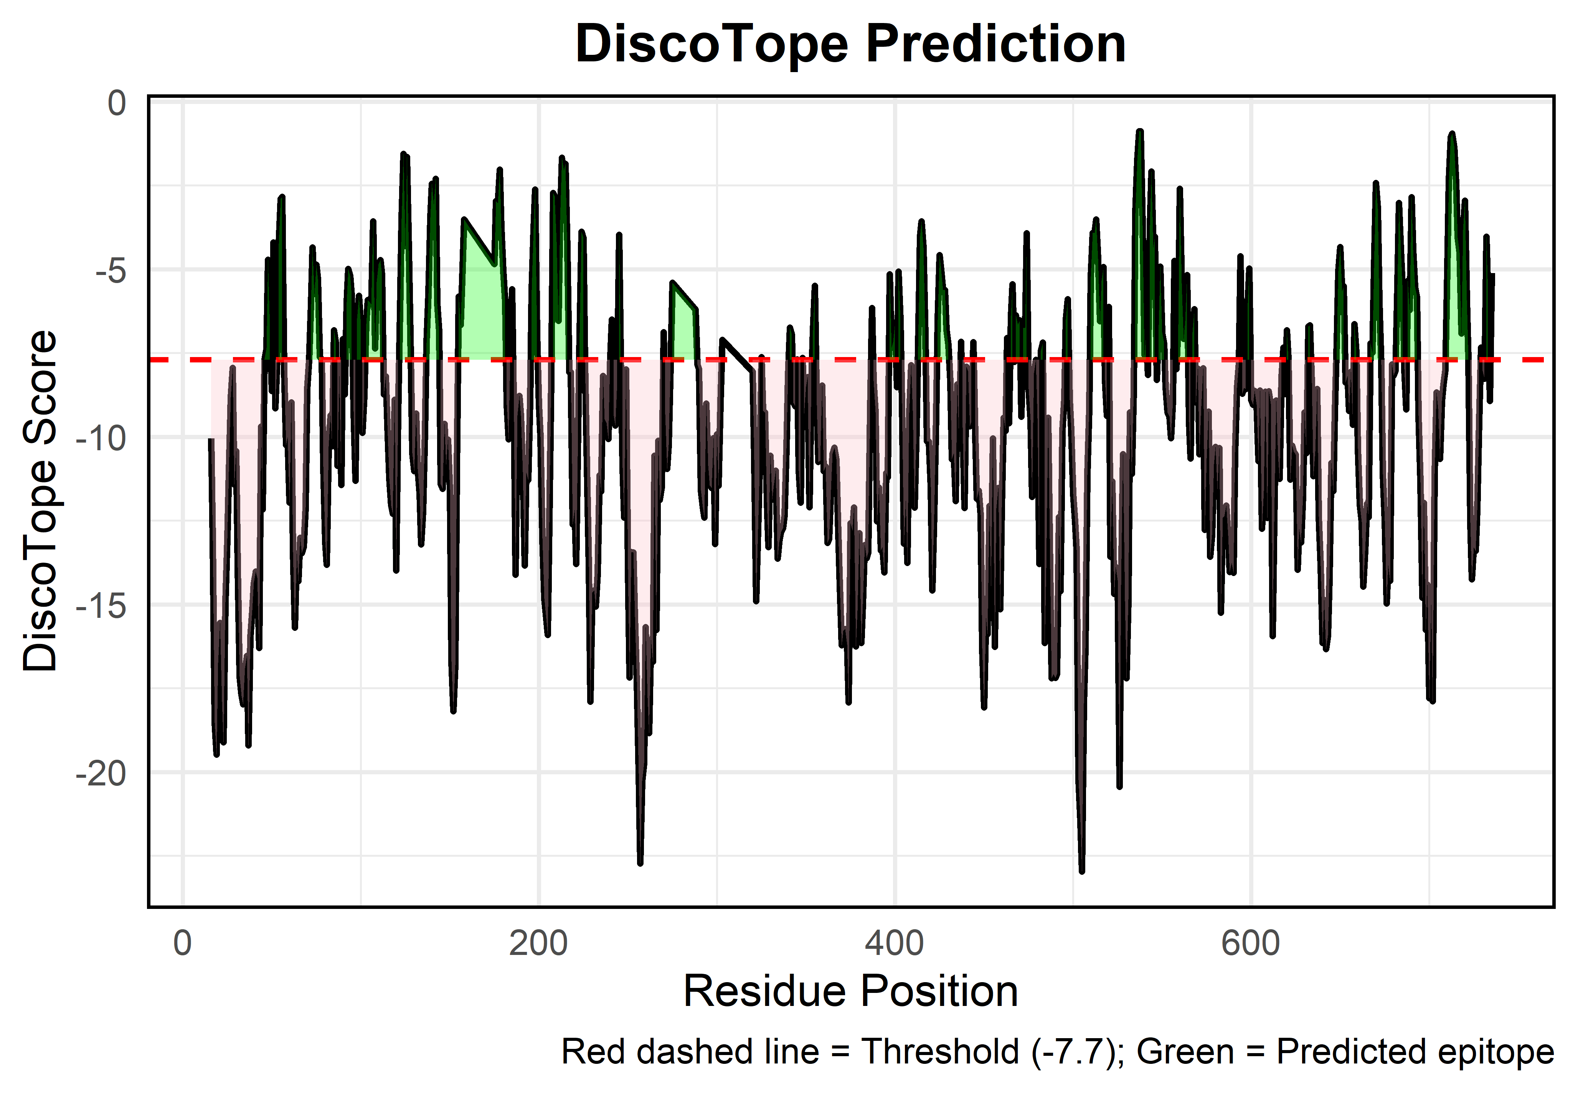
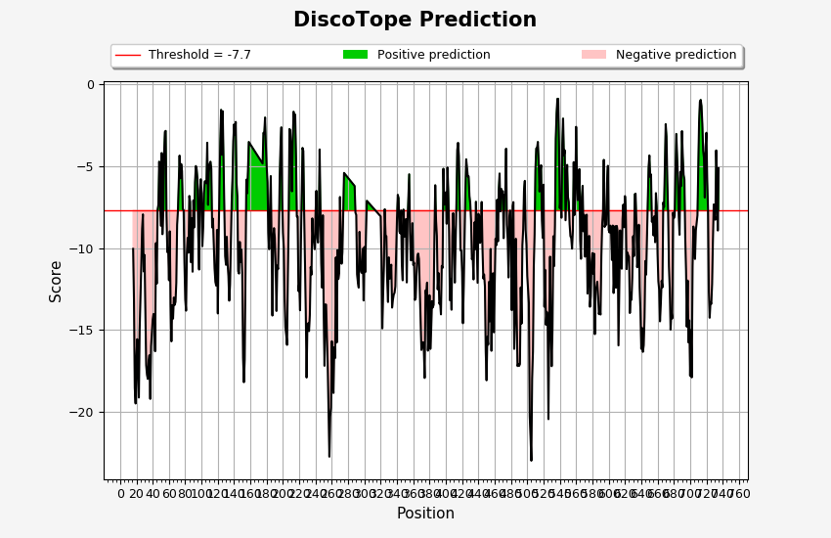
chain_id | residue_id | residue_name | contact_number | propensity_score | discotope_score | Top ranked epitope visual | Default DiscoTope Plot | Epitope Rank | Start | End | Length | Sequence | Average Score | Mapped Domain to Template
X | 16 | SER | 17 | -1.543 | -10.043 |  |  | 1 | 208 | 216 | 9 | SNIHEKKGL | -3.307 | Domain 1
X | 17 | GLN | 20 | -3.095 | -13.095 |  |  | 2 | 54 | 56 | 3 | PSE | -3.326 | Domain 1
X | 18 | GLY | 26 | -5.528 | -18.528 |  |  | 3 | 543 | 546 | 4 | QGKD | -3.54 | Domain 3
X | 19 | LEU | 28 | -5.476 | -19.476 |  |  | 4 | 535 | 541 | 7 | EPNGNLQ | -3.586 | Domain 3
X | 20 | LEU | 23 | -5.244 | -16.744 |  |  | 5 | 710 | 722 | 13 | PSENGDTSTNGIK | -3.767 | Domain 4
X | 21 | GLY | 20 | -5.554 | -15.554
X | 22 | TYR | 26 | -4.894 | -17.894
X | 23 | TYR | 28 | -5.113 | -19.113
X | 24 | PHE | 24 | -2.931 | -14.931
X | 25 | SER | 23 | -1.535 | -13.035
X | 26 | ASP | 20 | -1.048 | -11.048
X | 27 | LEU | 20 | 1.179 | -8.821
X | 28 | ASN | 16 | 0.062 | -7.938
X | 29 | PHE | 20 | -1.422 | -11.422
X | 30 | GLN | 16 | -2.42 | -10.42
X | 31 | ALA | 20 | -3.895 | -13.895
X | 32 | PRO | 25 | -4.639 | -17.139
X | 33 | MET | 28 | -3.722 | -17.722
X | 34 | VAL | 27 | -4.477 | -17.977
X | 35 | VAL | 25 | -4.4 | -16.9
X | 36 | THR | 25 | -4.03 | -16.53
X | 37 | SER | 26 | -6.198 | -19.198
X | 38 | SER | 23 | -4.477 | -15.977
X | 39 | THR | 22 | -4.171 | -15.171
X | 40 | THR | 21 | -3.851 | -14.351
X | 41 | GLY | 22 | -3.013 | -14.013
X | 42 | ASP | 21 | -3.7 | -14.2
X | 43 | LEU | 22 | -5.291 | -16.291
X | 44 | SER | 14 | -2.693 | -9.693
X | 45 | ILE | 19 | -2.664 | -12.164
X | 46 | PRO | 14 | -0.67 | -7.67
X | 47 | SER | 15 | 0.153 | -7.347
X | 48 | SER | 9 | -0.22 | -4.72
X | 49 | GLU | 15 | 0.763 | -6.737
X | 50 | LEU | 19 | 0.866 | -8.634
X | 51 | GLU | 12 | 1.803 | -4.197
X | 52 | ASN | 21 | 1.352 | -9.148
X | 53 | ILE | 19 | 1.782 | -7.718
X | 54 | PRO | 14 | 2.768 | -4.232
X | 55 | SER | 11 | 2.598 | -2.902
X | 56 | GLU | 10 | 2.156 | -2.844
X | 57 | ASN | 18 | 0.986 | -8.014
X | 58 | GLN | 22 | 0.752 | -10.248
X | 59 | TYR | 24 | 1.987 | -10.013
X | 60 | PHE | 29 | 2.544 | -11.956
X | 61 | GLN | 24 | 3.028 | -8.972
X | 62 | SER | 26 | -0.429 | -13.429
X | 63 | ALA | 26 | -2.687 | -15.687
X | 64 | ILE | 23 | -1.977 | -13.477
X | 65 | TRP | 22 | -3.301 | -14.301
X | 66 | SER | 21 | -2.512 | -13.012
X | 67 | GLY | 23 | -1.964 | -13.464
X | 68 | PHE | 24 | -1.281 | -13.281
X | 69 | ILE | 24 | -0.108 | -12.108
X | 70 | LYS | 20 | 1.422 | -8.578
X | 71 | VAL | 18 | 1.273 | -7.727
X | 72 | LYS | 14 | 0.961 | -6.039
X | 73 | LYS | 12 | 1.649 | -4.351
X | 74 | SER | 15 | 1.764 | -5.736
X | 75 | ASP | 17 | 3.635 | -4.865
X | 76 | GLU | 17 | 3.207 | -5.293
X | 77 | TYR | 22 | 3.394 | -7.606
X | 78 | THR | 20 | 2.314 | -7.686
X | 79 | PHE | 24 | 1.116 | -10.884
X | 80 | ALA | 25 | -0.628 | -13.128
X | 81 | THR | 24 | -1.814 | -13.814
X | 82 | SER | 16 | -2.286 | -10.286
X | 83 | ALA | 18 | -0.365 | -9.365
X | 84 | ASP | 20 | -0.274 | -10.274
X | 85 | ASN | 17 | 1.683 | -6.817
X | 86 | HIS | 19 | 2.32 | -7.18
X | 87 | VAL | 25 | 1.64 | -10.86
X | 88 | THR | 22 | 2.819 | -8.181
X | 89 | MET | 24 | 0.564 | -11.436
X | 90 | TRP | 18 | 1.918 | -7.082
X | 91 | VAL | 20 | 1.272 | -8.728
X | 92 | ASP | 14 | 1.017 | -5.983
X | 93 | ASP | 12 | 1.01 | -4.99
X | 94 | GLN | 13 | 1.315 | -5.185
X | 95 | GLU | 15 | 1.731 | -5.769
X | 96 | VAL | 22 | 1.766 | -9.234
X | 97 | ILE | 25 | 1.196 | -11.304
X | 98 | ASN | 18 | 2.537 | -6.463
X | 99 | LYS | 15 | 1.703 | -5.797
X | 100 | ALA | 14 | 0.337 | -6.663
X | 101 | SER | 19 | -0.378 | -9.878
X | 102 | ASN | 19 | 0.732 | -8.768
X | 103 | SER | 15 | 0.874 | -6.626
X | 104 | ASN | 14 | 1.081 | -5.919
X | 105 | LYS | 17 | 2.528 | -5.972
X | 106 | ILE | 15 | 1.461 | -6.039
X | 107 | ARG | 10 | 1.432 | -3.568
X | 108 | LEU | 20 | 2.644 | -7.356
X | 109 | GLU | 15 | 2.121 | -5.379
X | 110 | LYS | 13 | 1.647 | -4.853
X | 111 | GLY | 13 | 1.775 | -4.725
X | 112 | ARG | 13 | 1.338 | -5.162
X | 113 | LEU | 19 | 0.763 | -8.737
X | 114 | TYR | 18 | 0.802 | -8.198
X | 115 | GLN | 19 | -0.147 | -9.647
X | 116 | ILE | 22 | -0.235 | -11.235
X | 117 | LYS | 22 | -1.057 | -12.057
X | 118 | ILE | 23 | -0.788 | -12.288
X | 119 | GLN | 19 | 0.613 | -8.887
X | 120 | TYR | 26 | -0.983 | -13.983
X | 121 | GLN | 23 | 2.185 | -9.315
X | 122 | ARG | 18 | 2.729 | -6.271
X | 123 | GLU | 13 | 3.011 | -3.489
X | 124 | ASN | 11 | 3.94 | -1.56
X | 125 | PRO | 16 | 3.697 | -4.303
X | 126 | THR | 11 | 3.852 | -1.648
X | 127 | GLU | 13 | 2.053 | -4.447
X | 128 | LYS | 20 | 2.391 | -7.609
X | 129 | GLY | 22 | 0.515 | -10.485
X | 130 | LEU | 20 | -1.015 | -11.015
X | 131 | ASP | 15 | -1.803 | -9.303
X | 132 | PHE | 17 | -2.449 | -10.949
X | 133 | LYS | 18 | -2.684 | -11.684
X | 134 | LEU | 21 | -2.704 | -13.204
X | 135 | TYR | 20 | -2.228 | -12.228
X | 136 | TRP | 20 | 0.158 | -9.842
X | 137 | THR | 19 | 2.3 | -7.2
X | 138 | ASP | 18 | 3.28 | -5.72
X | 139 | SER | 12 | 2.547 | -3.453
X | 140 | GLN | 10 | 2.553 | -2.447
X | 141 | ASN | 11 | 2.44 | -3.06
X | 142 | LYS | 10 | 2.702 | -2.298
X | 143 | LYS | 16 | 1.974 | -6.026
X | 144 | GLU | 15 | 0.64 | -6.86
X | 145 | VAL | 19 | -1.904 | -11.404
X | 146 | ILE | 20 | -1.551 | -11.551
X | 147 | SER | 16 | -1.619 | -9.619
X | 148 | SER | 16 | -2.823 | -10.823
X | 149 | ASP | 16 | -2.088 | -10.088
X | 150 | ASN | 19 | -2.067 | -11.567
X | 151 | LEU | 27 | -3.194 | -16.694
X | 152 | GLN | 29 | -3.679 | -18.179
X | 153 | LEU | 27 | -3.307 | -16.807
X | 154 | PRO | 21 | -0.495 | -10.995
X | 155 | GLU | 15 | 1.68 | -5.82
X | 156 | LEU | 19 | 2.84 | -6.66
X | 157 | LYS | 17 | 3.19 | -5.31
X | 158 | GLN | 12 | 2.483 | -3.517
X | 175 | VAL | 13 | 1.662 | -4.838
X | 176 | PRO | 14 | 4.037 | -2.963
X | 177 | ASP | 16 | 4.98 | -3.02
X | 178 | ARG | 16 | 5.972 | -2.028
X | 179 | ASP | 21 | 6.736 | -3.764
X | 180 | ASN | 22 | 5.949 | -5.051
X | 181 | ASP | 23 | 5.523 | -5.977
X | 182 | GLY | 26 | 3.956 | -9.044
X | 183 | ILE | 29 | 4.434 | -10.066
X | 184 | PRO | 21 | 2.75 | -7.75
X | 185 | ASP | 21 | 4.898 | -5.602
X | 186 | SER | 17 | -1.048 | -9.548
X | 187 | LEU | 25 | -1.611 | -14.111
X | 188 | GLU | 22 | 1.637 | -9.363
X | 189 | VAL | 18 | 0.223 | -8.777
X | 190 | GLU | 16 | -1.364 | -9.364
X | 191 | GLY | 19 | -1.547 | -11.047
X | 192 | TYR | 25 | -1.331 | -13.831
X | 193 | THR | 22 | -0.066 | -11.066
X | 194 | VAL | 22 | -0.279 | -11.279
X | 195 | ASP | 19 | 0.549 | -8.951
X | 196 | VAL | 13 | 0.878 | -5.622
X | 197 | LYS | 10 | 1.206 | -3.794
X | 198 | ASN | 7 | 0.873 | -2.627
X | 199 | LYS | 12 | -0.94 | -6.94
X | 200 | ARG | 16 | -1.067 | -9.067
X | 201 | THR | 19 | -0.486 | -9.986
X | 202 | PHE | 23 | -1.526 | -13.026
X | 203 | LEU | 24 | -2.816 | -14.816
X | 204 | SER | 24 | -3.294 | -15.294
X | 205 | PRO | 25 | -3.4 | -15.9
X | 206 | TRP | 24 | 0.288 | -11.712
X | 207 | ILE | 17 | 0.233 | -8.267
X | 208 | SER | 9 | 1.771 | -2.729
X | 209 | ASN | 10 | 2.184 | -2.816
X | 210 | ILE | 14 | 2.819 | -4.181
X | 211 | HIS | 18 | 2.466 | -6.534
X | 212 | GLU | 13 | 2.976 | -3.524
X | 213 | LYS | 9 | 2.827 | -1.673
X | 214 | LYS | 10 | 2.947 | -2.053
X | 215 | GLY | 9 | 2.648 | -1.852
X | 216 | LEU | 13 | 2.098 | -4.402
X | 217 | THR | 17 | 0.432 | -8.068
X | 218 | LYS | 17 | 0.426 | -8.074
X | 219 | TYR | 22 | -1.61 | -12.61
X | 220 | LYS | 24 | -0.174 | -12.174
X | 221 | SER | 29 | 0.709 | -13.791
X | 222 | SER | 26 | 3.226 | -9.774
X | 223 | PRO | 27 | 6.597 | -6.903
X | 224 | GLU | 20 | 6.115 | -3.885
X | 225 | LYS | 20 | 5.93 | -4.07
X | 226 | TRP | 27 | 5.712 | -7.788
X | 227 | SER | 27 | 2.606 | -10.894
X | 228 | THR | 29 | 0.627 | -13.873
X | 229 | ALA | 31 | -2.395 | -17.895
X | 230 | SER | 26 | -1.645 | -14.645
X | 231 | ASP | 25 | -2.081 | -14.581
X | 232 | PRO | 28 | -1.059 | -15.059
X | 233 | TYR | 29 | 0.419 | -14.081
X | 234 | SER | 30 | 3.851 | -11.149
X | 235 | ASP | 31 | 3.878 | -11.622
X | 236 | PHE | 23 | 3.319 | -8.181
X | 237 | GLU | 24 | 2.536 | -9.464
X | 238 | LYS | 21 | 0.919 | -9.581
X | 239 | VAL | 22 | 0.935 | -10.065
X | 240 | THR | 19 | 1.614 | -7.886
X | 241 | GLY | 16 | 1.498 | -6.502
X | 242 | ARG | 21 | 1.129 | -9.371
X | 243 | ILE | 24 | 2.342 | -9.658
X | 244 | ASP | 21 | 2.132 | -8.368
X | 245 | LYS | 13 | 2.522 | -3.978
X | 246 | ASN | 17 | 0.975 | -7.525
X | 247 | VAL | 22 | 0.079 | -10.921
X | 248 | SER | 23 | -0.91 | -12.41
X | 249 | PRO | 17 | 0.509 | -7.991
X | 250 | GLU | 20 | -3.948 | -13.948
X | 251 | ALA | 25 | -4.675 | -17.175
X | 252 | ARG | 24 | -1.43 | -13.43
X | 253 | HIS | 24 | -1.446 | -13.446
X | 254 | PRO | 29 | -0.866 | -15.366
X | 255 | LEU | 29 | -2.797 | -17.297
X | 256 | VAL | 28 | -6.038 | -20.038
X | 257 | ALA | 34 | -5.722 | -22.722
X | 258 | ALA | 31 | -4.769 | -20.269
X | 259 | TYR | 29 | -5.241 | -19.741
X | 260 | PRO | 24 | -3.677 | -15.677
X | 261 | ILE | 26 | -4.782 | -17.782
X | 262 | VAL | 32 | -2.834 | -18.834
X | 263 | HIS | 29 | -1.552 | -16.052
X | 264 | VAL | 30 | -1.706 | -16.706
X | 265 | ASP | 24 | 1.441 | -10.559
X | 266 | MET | 28 | -1.758 | -15.758
X | 267 | GLU | 19 | -0.618 | -10.118
X | 268 | ASN | 21 | -1.384 | -11.884
X | 269 | ILE | 20 | -1.529 | -11.529
X | 270 | ILE | 15 | 0.621 | -6.879
X | 271 | LEU | 20 | 0.667 | -9.333
X | 272 | SER | 21 | -0.449 | -10.949
X | 273 | LYS | 19 | -0.745 | -10.245
X | 274 | ASN | 14 | -0.864 | -7.864
X | 275 | GLU | 8 | -1.408 | -5.408
X | 288 | THR | 13 | 0.292 | -6.208
X | 289 | ILE | 16 | 0.163 | -7.837
X | 290 | SER | 16 | 0.026 | -7.974
X | 291 | LYS | 19 | -2.091 | -11.591
X | 292 | ASN | 19 | -2.591 | -12.091
X | 293 | THR | 22 | -1.408 | -12.408
X | 294 | SER | 16 | -1.002 | -9.002
X | 295 | THR | 22 | 0.145 | -10.855
X | 296 | SER | 24 | 0.553 | -11.447
X | 297 | ARG | 24 | 0.481 | -11.519
X | 298 | THR | 21 | 0.461 | -10.039
X | 299 | HIS | 24 | -1.191 | -13.191
X | 300 | THR | 17 | -1.422 | -9.922
X | 301 | SER | 20 | -1.46 | -11.46
X | 302 | GLU | 13 | -2.509 | -9.009
X | 303 | VAL | 9 | -2.61 | -7.11
X | 320 | VAL | 12 | -2.063 | -8.063
X | 321 | SER | 20 | -0.674 | -10.674
X | 322 | ALA | 28 | -0.895 | -14.895
X | 323 | GLY | 20 | -2.763 | -12.763
X | 324 | PHE | 17 | -2.542 | -11.042
X | 325 | SER | 12 | -1.624 | -7.624
X | 326 | ASN | 15 | -1.718 | -9.218
X | 327 | SER | 16 | -1.268 | -9.268
X | 328 | ASN | 20 | -1.947 | -11.947
X | 329 | SER | 23 | -1.784 | -13.284
X | 330 | SER | 22 | 0.44 | -10.56
X | 331 | THR | 24 | 0.138 | -11.862
X | 332 | VAL | 22 | -0.459 | -11.459
X | 333 | ALA | 20 | -1.008 | -11.008
X | 334 | ILE | 24 | -1.627 | -13.627
X | 335 | ASP | 21 | -2.646 | -13.146
X | 336 | HIS | 23 | -1.339 | -12.839
X | 337 | SER | 20 | -2.72 | -12.72
X | 338 | LEU | 17 | -3.837 | -12.337
X | 339 | SER | 15 | -2.848 | -10.348
X | 340 | LEU | 10 | -3.187 | -8.187
X | 341 | ALA | 9 | -2.245 | -6.745
X | 342 | GLY | 8 | -2.948 | -6.948
X | 343 | GLU | 12 | -2.985 | -8.985
X | 344 | ARG | 15 | -1.592 | -9.092
X | 345 | THR | 13 | -1.197 | -7.697
X | 346 | TRP | 19 | -1.514 | -11.014
X | 347 | ALA | 19 | -2.461 | -11.961
X | 348 | GLU | 11 | -2.143 | -7.643
X | 349 | THR | 15 | -1.805 | -9.305
X | 350 | MET | 15 | -1.008 | -8.508
X | 351 | GLY | 13 | -1.723 | -8.223
X | 352 | LEU | 18 | -3.091 | -12.091
X | 353 | ASN | 12 | -2.36 | -8.36
X | 354 | THR | 11 | -1.326 | -6.826
X | 355 | ALA | 9 | -0.991 | -5.491
X | 356 | ASP | 15 | -1.558 | -9.058
X | 357 | THR | 19 | -1.243 | -10.743
X | 358 | ALA | 20 | -0.712 | -10.712
X | 359 | ARG | 18 | 0.527 | -8.473
X | 360 | LEU | 21 | -0.525 | -11.025
X | 361 | ASN | 19 | -1.383 | -10.883
X | 362 | ALA | 22 | -2.16 | -13.16
X | 363 | ASN | 20 | -3.044 | -13.044
X | 364 | ILE | 21 | -1.083 | -11.583
X | 365 | ARG | 21 | -0.001 | -10.501
X | 366 | TYR | 21 | 0.173 | -10.327
X | 367 | VAL | 23 | 0.84 | -10.66
X | 368 | ASN | 23 | -0.977 | -12.477
X | 369 | THR | 25 | -1.95 | -14.45
X | 370 | GLY | 24 | -4.209 | -16.209
X | 371 | THR | 25 | -3.286 | -15.786
X | 372 | ALA | 27 | -2.238 | -15.738
X | 373 | PRO | 27 | -2.692 | -16.192
X | 374 | ILE | 27 | -4.417 | -17.917
X | 375 | TYR | 21 | -2.076 | -12.576
X | 376 | ASN | 22 | -1.797 | -12.797
X | 377 | VAL | 20 | -2.103 | -12.103
X | 378 | LEU | 27 | -2.754 | -16.254
X | 379 | PRO | 23 | -3.683 | -15.183
X | 380 | THR | 19 | -3.372 | -12.872
X | 381 | THR | 23 | -4.648 | -16.148
X | 382 | SER | 20 | -4.985 | -14.985
X | 383 | LEU | 19 | -3.732 | -13.232
X | 384 | VAL | 19 | -4.118 | -13.618
X | 385 | LEU | 22 | -2.453 | -13.453
X | 386 | GLY | 15 | -1.701 | -9.201
X | 387 | LYS | 9 | -1.659 | -6.159
X | 388 | ASN | 11 | -2.829 | -8.329
X | 389 | GLN | 12 | -3.257 | -9.257
X | 390 | THR | 17 | -4.014 | -12.514
X | 391 | LEU | 18 | -2.513 | -11.513
X | 392 | ALA | 19 | -3.893 | -13.393
X | 393 | THR | 18 | -4.289 | -13.289
X | 394 | ILE | 19 | -4.539 | -14.039
X | 395 | LYS | 14 | -4.079 | -11.079
X | 396 | ALA | 16 | -3.207 | -11.207
X | 397 | LYS | 10 | -0.152 | -5.152
X | 398 | GLU | 13 | -0.841 | -7.341
X | 399 | ASN | 13 | -0.661 | -7.161
X | 400 | GLN | 12 | -0.595 | -6.595
X | 401 | LEU | 17 | -0.012 | -8.512
X | 402 | SER | 11 | 0.424 | -5.076
X | 403 | GLN | 13 | 0.003 | -6.497
X | 404 | ILE | 19 | 0.509 | -8.991
X | 405 | LEU | 26 | -0.181 | -13.181
X | 406 | ALA | 25 | 0.598 | -11.902
X | 407 | PRO | 24 | -1.756 | -13.756
X | 408 | ASN | 18 | -0.276 | -9.276
X | 409 | ASN | 19 | 1.637 | -7.863
X | 410 | TYR | 22 | 1.786 | -9.214
X | 411 | TYR | 24 | -0.102 | -12.102
X | 412 | PRO | 20 | 0.262 | -9.738
...

Peptides Binding to MHC ClassII
...
Num_Alleles_TepiTool | Min_Percentile | Avg_Percentile | Min_IC50_TepiTool | Avg_IC50_TepiTool |  | IEDB |  |  |  |  | TepiTool
12 | 0.21 | 3.9508333333 | 13.24 | 109.2225 | ILIRDKRFHYDRNNI | 1 | 35.1 | 35.1 | 0.52 | 0.52 | 1 | 0.52 | 0.52 | 35.1 | 35.1 | 0.52
13 | 0.55 | 3.5492307692 | 6.49 | 113.64230769 | IAFGFNEPNGNLQYQ | 1 | 92.58 | 92.58 | 2.2 | 2.2 | 1 | 2.2 | 2.2 | 92.58 | 92.58 | 2.2
13 | 0.21 | 3.1384615385 | 7.01 | 95.826153846 | EVEGYTVDVKNKRTF | 1 | 114.39 | 114.39 | 2.8 | 2.8 | 1 | 2.8 | 2.8 | 114.39 | 114.39 | 2.8
14 | 0.72 | 5.13 | 6.6 | 153.41785714 | DNHVTMWVDDQEVIN | 4 | 170.17 | 395.085 | 0.88 | 2.845 | 4 | 0.88 | 2.845 | 170.17 | 395.085 | 2.845
11 | 0.12 | 4.4436363636 | 17.06 | 206.79454545 | ADNHVTMWVDDQEVI | 4 | 187.35 | 388.16 | 0.84 | 3.035 | 4 | 0.84 | 3.035 | 187.35 | 388.16 | 3.035
12 | 0.36 | 4.7383333333 | 22.34 | 180.47833333
8 | 0.53 | 3.7425 | 25.94 | 118.54375
7 | 0.38 | 2.7657142857 | 21.18 | 98.475714286
10 | 0.19 | 4.128 | 6.12 | 158.383
6 | 2.4 | 4.9666666667 | 11.15 | 145.875
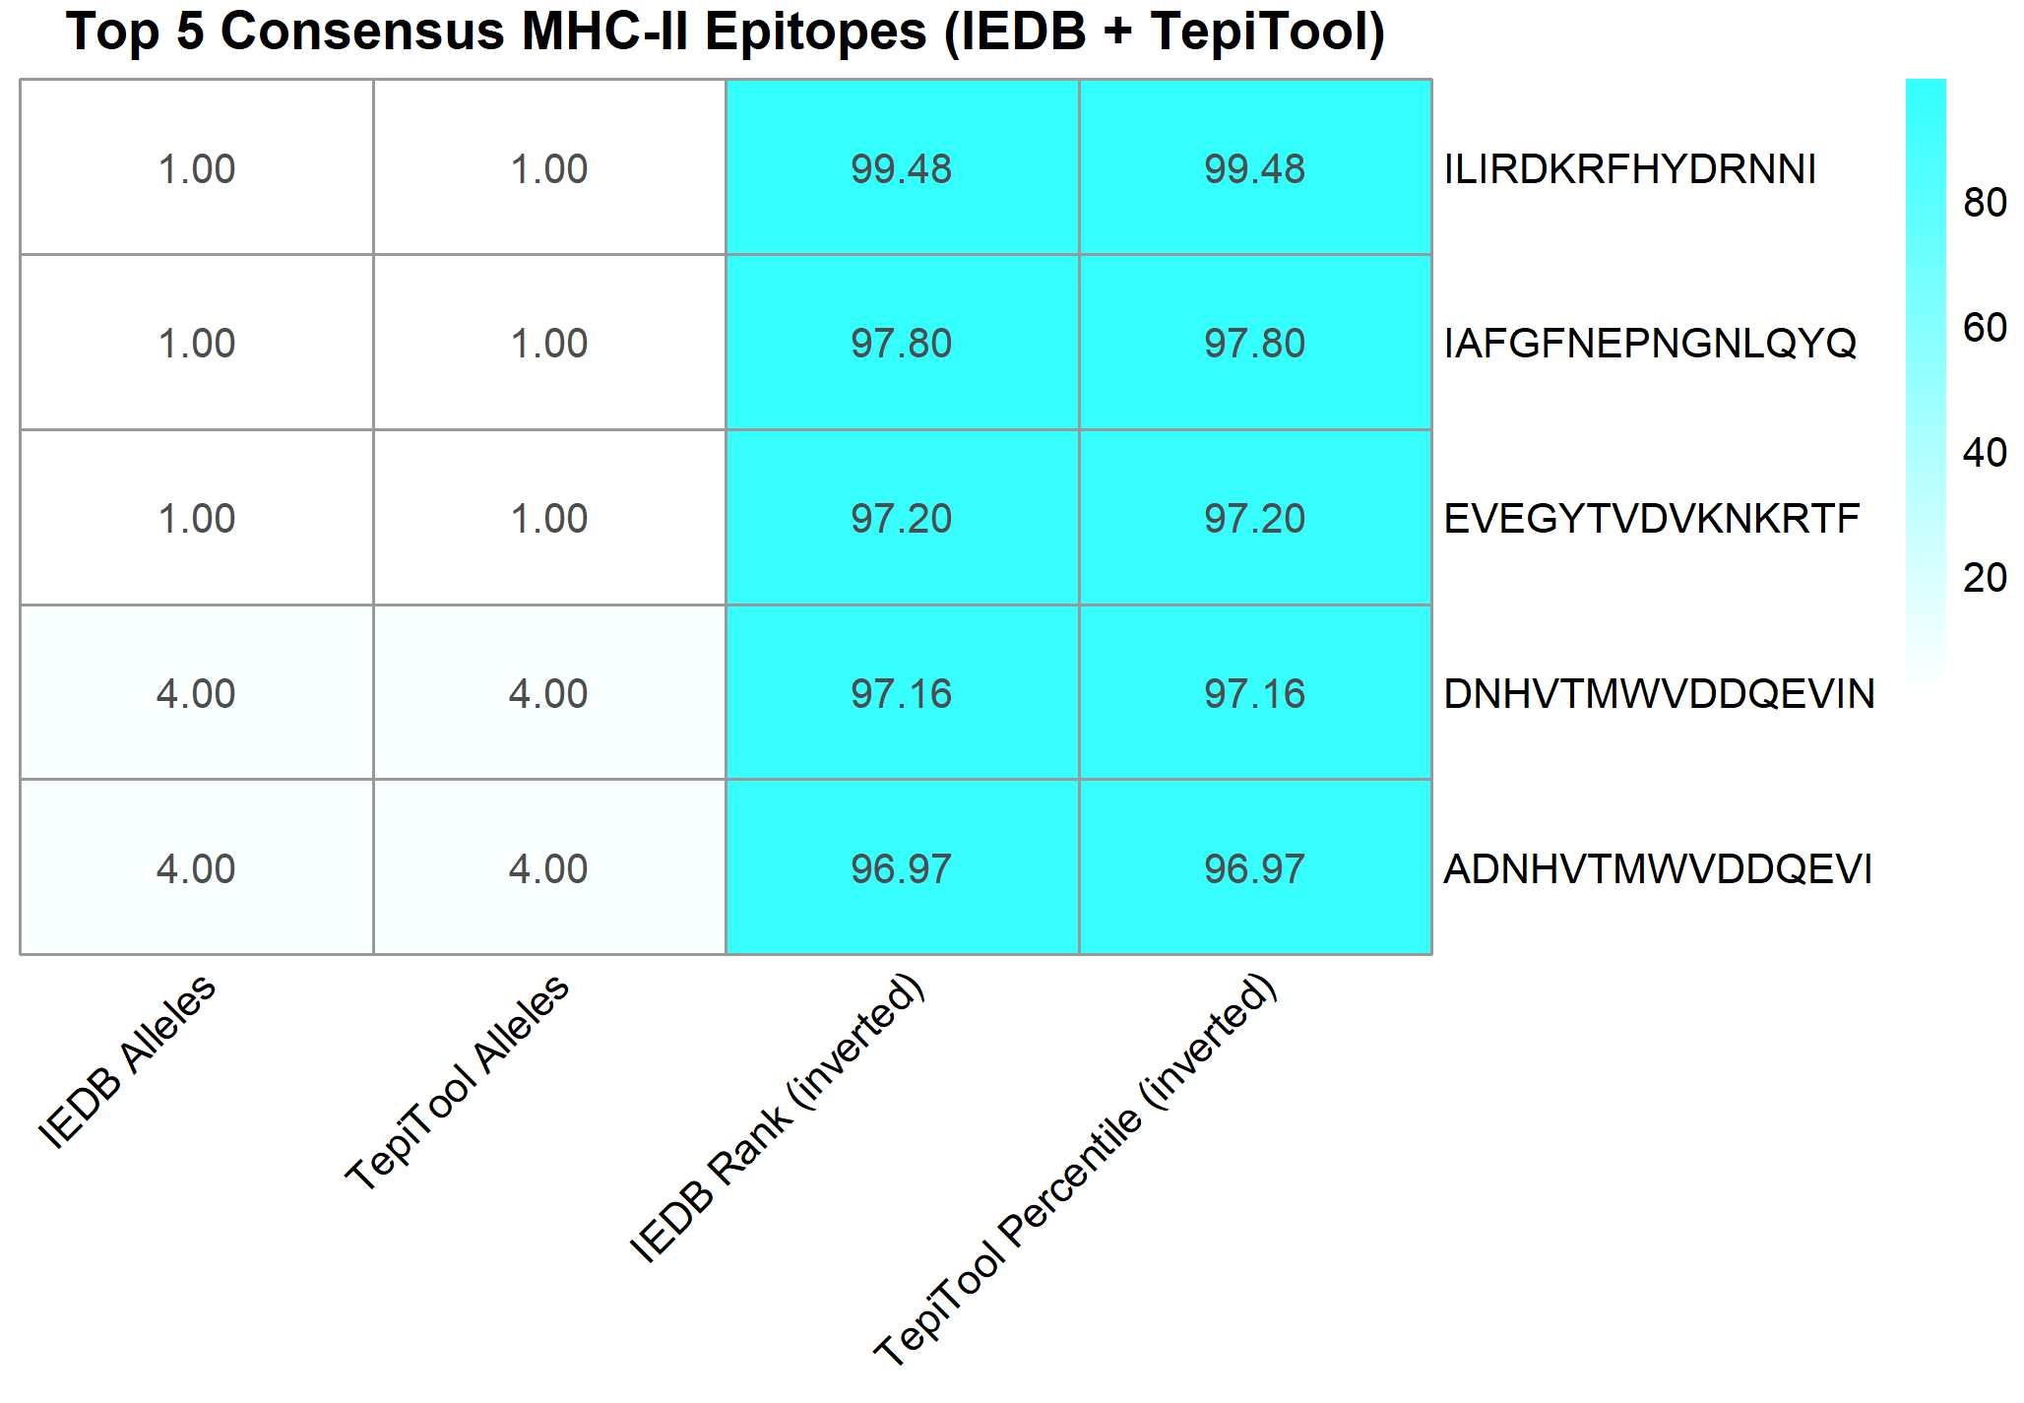
11 | 0.33 | 4.1263636364 | 5.44 | 119.94727273
8 | 0.19 | 1.72125 | 17.61 | 146.75875
10 | 1.5 | 5.09 | 46.45 | 168.586
11 | 0.27 | 3.8027272727 | 16.52 | 203.12090909
9 | 0.21 | 4.6455555556 | 8.47 | 126.82555556
11 | 0.4 | 4.6727272727 | 25.16 | 151.40727273
11 | 0.52 | 3.9881818182 | 14.85 | 220.44090909
11 | 0.77 | 3.2336363636 | 15.11 | 109.24272727
9 | 0.24 | 4.4933333333 | 11.4 | 195.97888889
11 | 0.08 | 4.2754545455 | 15.22 | 258.71272727
11 | 0.29 | 4.5745454545 | 5.65 | 138.74090909
9 | 3.2 | 6.4555555556 | 31.28 | 157.21777778
9 | 2.4 | 6.5666666667 | 47.82 | 175.47555556
7 | 5.4 | 7.4857142857 | 117.59 | 268.35714286
10 | 0.08 | 3.94 | 14.96 | 207.368
7 | 3.4 | 5.6428571429 | 90.01 | 224.69
9 | 0.14 | 4.3488888889 | 9.21 | 179.18222222
6 | 2.4 | 4.75 | 72.73 | 239.12666667
9 | 0.74 | 5.3044444444 | 37.72 | 224.06777778
6 | 2.7 | 6.0333333333 | 52.09 | 167.07666667
6 | 3.3 | 6.8333333333 | 61.79 | 252.7
8 | 0.01 | 2.40875 | 8.98 | 58.54875
7 | 0.4 | 3.8857142857 | 21.82 | 121.06285714
9 | 0.24 | 5.16 | 10.55 | 212.45666667
7 | 0.64 | 3.5914285714 | 46.65 | 156.65571429
6 | 1.4 | 5.0333333333 | 59.68 | 222.33833333
8 | 0.01 | 2.175 | 7.57 | 54.51125
4 | 5.1 | 7.55 | 30.7 | 292.385
8 | 0.34 | 4.27875 | 19.1 | 103.9975
11 | 1.2 | 4.1909090909 | 18.7 | 88.381818182
6 | 3.1 | 5.7166666667 | 68.43 | 247.92666667
11 | 0.55 | 3.7681818182 | 13.52 | 123.67636364
5 | 3.1 | 4.78 | 85.54 | 141.628
6 | 1.9 | 6.3833333333 | 60.82 | 242.51833333
5 | 1.6 | 6.44 | 31.02 | 269.438
10 | 0.82 | 3.982 | 15.49 | 76.196
5 | 1.4 | 6.54 | 49.39 | 245.88
7 | 0.01 | 2.3757142857 | 9.77 | 37.148571429
...

ElliPro Linear Epitopes
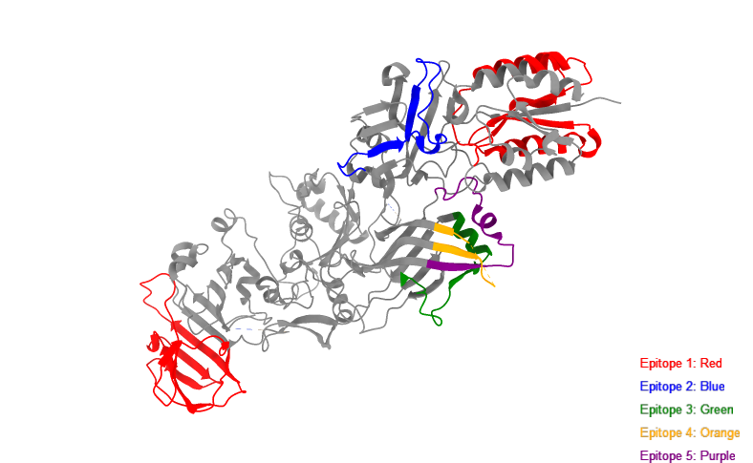
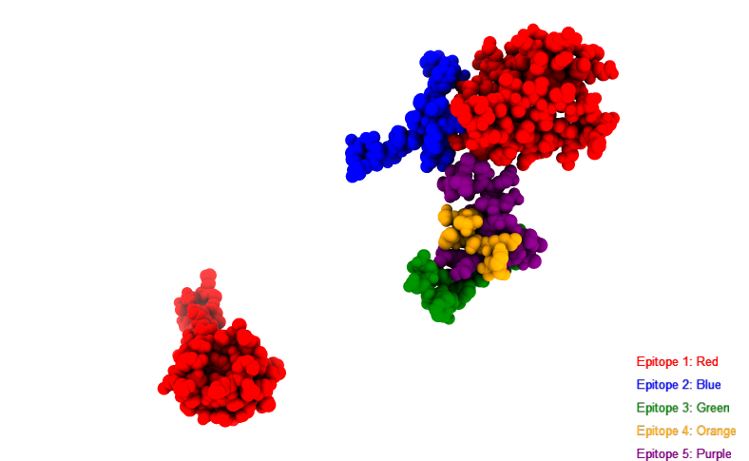
Residue number | Residue name | Score
16 | SER | 0.259
17 | GLN | 0.293
18 | GLY | 0.348
19 | LEU | 0.398
20 | LEU | 0.259
21 | GLY | 0.325
22 | TYR | 0.325
23 | TYR | 0.45
24 | PHE | 0.524
25 | SER | 0.683
26 | ASP | 0.683
27 | LEU | 0.757
28 | ASN | 0.732
29 | PHE | 0.572
30 | GLN | 0.627
31 | ALA | 0.547
32 | PRO | 0.426
33 | MET | 0.509
34 | VAL | 0.348
35 | VAL | 0.223
36 | THR | 0.259
37 | SER | 0.259
38 | SER | 0.426
39 | THR | 0.484
40 | THR | 0.595
41 | GLY | 0.627
42 | ASP | 0.651
43 | LEU | 0.524
44 | SER | 0.627
45 | ILE | 0.547
46 | PRO | 0.683
47 | SER | 0.778
48 | SER | 0.706
...

ElliPro Discontinuous Epitopes
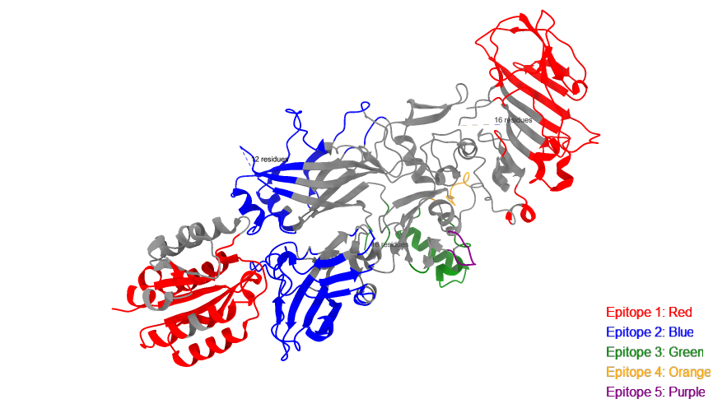
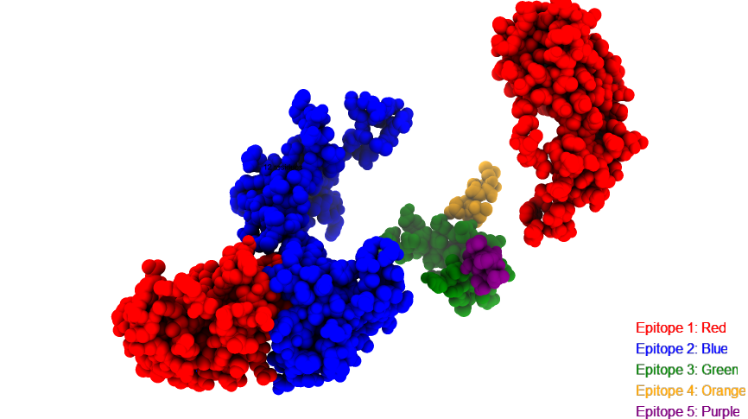
No | Residues | Number of Residues | Score
1 | X:G18, X:F24, X:S25, X:D26, X:L27, X:N28, X:F29, X:Q30, X:A31, X:M33, X:T39, X:T40, X:G41, X:D42, X:L43, X:S44, X:I45, X:P46, X:S47, X:S48, X:E49, X:L50, X:E51, X:N52, X:I53, X:P54, X:S55, X:E56, X:N57, X:Q58, X:Y59, X:F60, X:Q61, X:S62, X:A63, X:F68, X:I69, X:K70, X:V71, X:K72, X:K73, X:S74, X:D75, X:E76, X:Y77, X:T78, X:F79, X:A80, X:T81, X:S82, X:A83, X:D84, X:N85, X:H86, X:V87, X:T88, X:M89, X:W90, X:V91, X:D92, X:D93, X:Q94, X:E95, X:V96, X:I97, X:N98, X:K99, X:A100, X:S101, X:N102, X:S103, X:N104, X:K105, X:I106, X:R107, X:L108, X:E109, X:K110, X:G111, X:R112, X:L113, X:Y114, X:Q115, X:I116, X:K117, X:I118, X:Q119, X:Y120, X:Q121, X:R122, X:E123, X:N124, X:P125, X:T126, X:E127, X:K128, X:G129, X:L130, X:D131, X:F132, X:K133, X:L134, X:Y135, X:W136, X:T137, X:D138, X:S139, X:Q140, X:N141, X:K142, X:K143, X:E144, X:V145, X:I146, X:S147, X:S148, X:D149, X:N150, X:L151, X:K197, X:N198, X:K199, X:W206, X:I207, X:S208, X:N209, X:I210, X:E212 | 128 | 0.74
2 | X:I270, X:L271, X:S272, X:K273, X:N274, X:E275, X:T288, X:I289, X:S290, X:S337, X:L338, X:S339, X:L340, X:A341, X:G342, X:E343, X:R344, X:T345, X:W346, X:A347, X:E348, X:T349, X:M350, X:G351, X:L352, X:N353, X:T354, X:A355, X:D356, X:T357, X:A358, X:R359, X:L360, X:N361, X:N376, X:V377, X:L378, X:T380, X:L385, X:G386, X:K387, X:N388, X:Q389, X:T390, X:L391, X:A392, X:T393, X:K395, X:A396, X:K397, X:E398, X:N399, X:Q400, X:A420, X:L421, X:N422, X:A423, X:Q424, X:D425, X:D426, X:F427, X:S428, X:S429, X:T430, X:P431, X:I432, X:T433, X:M434, X:N435, X:Y436, X:N437, X:Q438, X:F439, X:L440, X:E441, X:E443, X:K444, X:E609, X:S610, X:K613, X:H616, X:E618, X:V619, X:I620, X:N621, X:S622, X:S623, X:T624, X:E625, X:G626, X:L627, X:L628, X:L629, X:N630, X:I631, X:I643, X:V644, X:E645, X:I646, X:E647, X:D648, X:T649, X:E650, X:G651, X:L652, X:K653, X:E654, X:V655, X:I656, X:N657, X:D658, X:R659, X:Y660, X:D661, X:M662, X:L663, X:I665, X:R669, X:D671, X:G672, X:K673, X:F675, X:I676, X:D677, X:F678, X:K679, X:K680, X:Y681, X:N682, X:D683, X:K684, X:L685, X:P686, X:L687, X:Y688, X:I689, X:S690, X:N691, X:P692, X:N693, X:Y694, X:K695, X:V696, X:N697, X:V698, X:Y699, X:I708, X:N709, X:P710, X:S711, X:E712, X:N713, X:G714, X:D715, X:T716, X:S717, X:T718, X:N719, X:G720, X:I721, X:K723, X:I724, X:L725, X:I726, X:F727, X:S728, X:K729, X:K730, X:G731, X:Y732, X:E733, X:I734, X:G735 | 173 | 0.725
3 | X:S301, X:E302, X:V303, X:S321, X:A322, X:F324, X:I547, X:T548, X:E549, X:D555, X:Q556, X:Q557, X:T558, X:S559, X:Q560, X:N561, X:I562, X:K563, X:N564, X:Q565, X:L566, X:A567, X:E568, X:L569, X:N570, X:A571, X:T572, X:N573, X:I574, X:Y575, X:T576, X:V577, X:D579, X:K580, X:I581, X:K582, X:L583, X:M587 | 38 | 0.657
4 | X:V508, X:N509, X:P510, X:S511, X:D512, X:P513, X:L514, X:E515, X:A585 | 9 | 0.622
5 | X:N534, X:E535, X:P536, X:N537, X:G538, X:N539, X:L540 | 7 | 0.504

Population Coverage Pakistan
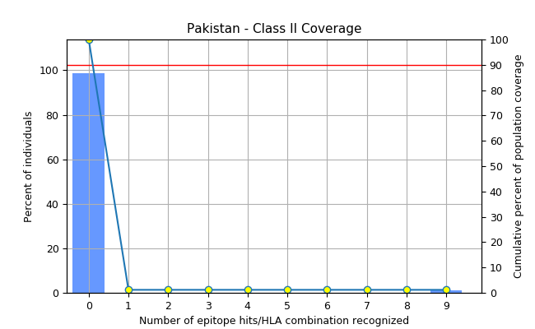
Epitope | Coverage | HLA allele
 |  | (genotypic frequency (%))
 | Class II | DPB1*01:01 | DPB1*02:01 | DPB1*04:02 | DQB1*03:01
 |  | 0 | 0 | 0 | 0
Epitope #1: AKMNILIRDKRFHYD | 0 | - | - | - | -
Epitope #2: APIYNVLPTTSLVLG | 0 | - | - | - | -
Epitope #3: ASFFDIGGSVSAGFS | 0 | - | - | - | +
Epitope #4: DKIKLNAKMNILIRD | 1.18% | - | - | - | -
Epitope #5: DKRFHYDRNNIAVGA | 0 | - | - | - | -
Epitope #6: EKTKQLRLDTDQVYG | 0 | - | - | - | -
Epitope #7: EVLPQIQETTARIIF | 0 | - | - | - | -
Epitope #8: FFDIGGSVSAGFSNS | 0 | - | - | - | +
Epitope #9: FNGKDLNLVERRIAA | 0 | - | - | - | -
Epitope #10: FQSAIWSGFIKVKKS | 0 | - | + | - | -
Epitope #11: FSSTPITMNYNQFLE | 1.18% | - | - | - | -
Epitope #12: GKDLNLVERRIAAVN | 0 | - | - | - | -
Epitope #13: GLLGYYFSDLNFQAP | 0 | - | - | - | -
Epitope #14: GTAPIYNVLPTTSLV | 0 | - | - | - | -
Epitope #15: GYYFSDLNFQAPMVV | 0 | - | - | - | -
...

Population Coverage Canada
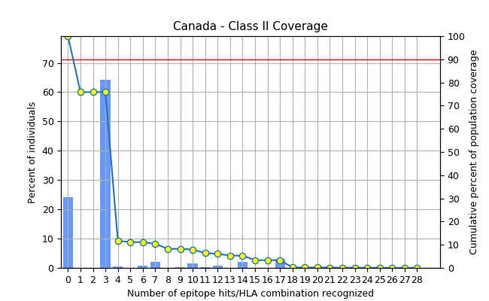
 |  | Epitope | Coverage | HLA allele
 |  |  |  | (genotypic frequency (%))
 |  |  | Class II | DPB1*01:01
 |  |  |  | 0
 |  | Epitope #1: AKMNILIRDKRFHYD | 4.45% | -
 |  | Epitope #2: APIYNVLPTTSLVLG | 2.25% | -
 |  | Epitope #3: ASFFDIGGSVSAGFS | 72.54% | -
 |  | Epitope #4: DKIKLNAKMNILIRD | 1.12% | -
 |  | Epitope #5: DKRFHYDRNNIAVGA | 2.23% | -
 |  | Epitope #6: EKTKQLRLDTDQVYG | 4.45% | -
 |  | Epitope #7: EVLPQIQETTARIIF | 0 | -
 |  | Epitope #8: FFDIGGSVSAGFSNS | 72.54% | -
 |  | Epitope #9: FNGKDLNLVERRIAA | 2.25% | -
 |  | Epitope #10: FQSAIWSGFIKVKKS | 0 | -
 |  | Epitope #11: FSSTPITMNYNQFLE | 1.12% | -
 |  | Epitope #12: GKDLNLVERRIAAVN | 2.25% | -
 |  | Epitope #13: GLLGYYFSDLNFQAP | 1.12% | -
 |  | Epitope #14: GTAPIYNVLPTTSLV | 2.25% | -
 |  | Epitope #15: GYYFSDLNFQAPMVV | 1.12% | -
 |  | Epitope #16: ILIRDKRFHYDRNNI | 4.45% | -
Percent of individuals | Cumulative percent of population coverage | Epitope #17: IRDKRFHYDRNNIAV | 2.23% | -
...

